Contacts



*Please use the arrows at the bottom of the spreadhseet to navigate through the different categories*
Wolseley Contact Details

Plumbing & Heating Enquiries
Plumbing & Heating Support Hub
Opening hours - Monday to Friday 08:00 - 17:00
E - lnpg@wolseley.co.uk T- 0344 8910188
See LNPG website for more details - all orders are required in writing via email

Bathroom Enquiries
Showroom Hubs
Opening hours - Monday to Friday 08:00 - 16:30, Saturdays 08:00 - 12:00
There are 19 LNPG showroom hubs split by County, contact your closest one for assistance
Contact details are available on the back page of the LNPG bathroom brochure and LNPG website
Call LNPG on 01455 234499 if you need any help locating your nearest hub

LNPG membership and property details will be required for verification. It is your responsibility to make sure your membership and property portfolio is up to date. Any questions on this or anything else, call LNPG directly on 01455 234499.
ALL PRICES ARE EXCLUDING VAT

Heatpack Examples
 |  |  | 
Heat Packs - Examples
*These are examples of typical savings that can be made as an LNPG member against our standard trade prices. Let us know boiler size/type and radiators size/type required and we can tailor a quote that best suits your requirements.
Number of Bedrooms | 1 | 2 | 3 | 4 | 5 | 5 | 6 | 7 | 8
Number of Radiators | 5 | 6 | 7 | 9 | 10 | 10 | 12 | 13 | 14
Number of Bathrooms | 1 | 1 | 1 | 2 | 2 | 2 | 3 | 3 | 3

Kitchen/breakfast | 1 | 1 | 1 | 1 | 1 | 1 | 1 | 1 | 1
Dining room | 1 | 1 | 1 | 1 | 1 | 1 | 1 | 1 | 1
Living room | 1 | 1 | 1 | 1 | 1 | 1 | 1 | 1 | 1
Bedroom Master | 1 | 1 | 1 | 1 | 1 | 1 | 1 | 1 | 1
Bedroom Standard |  | 1 | 2 | 3 | 4 | 4 | 5 | 6 | 7
Bathroom | 1 | 1 | 1 | 2 | 2 | 2 | 3 | 3 | 3

Worcester Combi boiler 40kw |  |  |  | ü | ü
Worcester Combi boiler 30kw |  |  | ü
Worcester Combi boiler 25kw | ü | ü
Worcester System boiler 15kw |  |  |  |  |  | ü
Worcester System boiler 24kw |  |  |  |  |  |  | ü | ü
Worcester System boiler 30kw |  |  |  |  |  |  |  |  | ü
CenterStore Cylinder 210L |  |  |  |  |  | ü | ü | ü
CenterStore Cylinder 300L |  |  |  |  |  |  |  |  | ü
Worcester Horizontal Flue | ü | ü | ü | ü | ü | ü | ü | ü | ü
Thermostatic Radiator valves | ü | ü | ü | ü | ü | ü | ü | ü | ü
RF Programmable Thermostat | ü | ü | ü | ü | ü
Worcester 22mm Magnetic filter | ü | ü | ü | ü | ü | ü | ü | ü | ü
CO2 Alarm | ü | ü | ü | ü | ü | ü | ü | ü | ü
Trade Price | £2,273 | £2,366 | £2,593 | £3,402 | £3,495 | £3,530 | £3,893 | £3,985 | £4,308
LNPG Price | £1,418 | £1,467 | £1,617 | £2,341 | £2,391 | £2,214 | £2,492 | £2,541 | £2,776
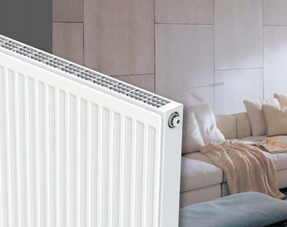
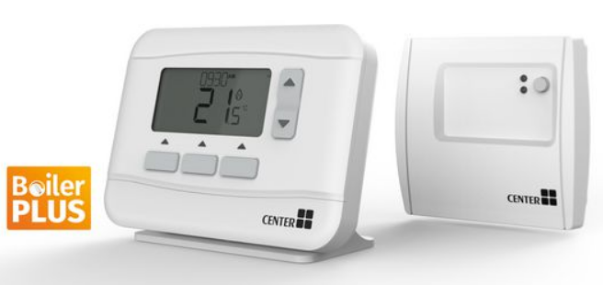


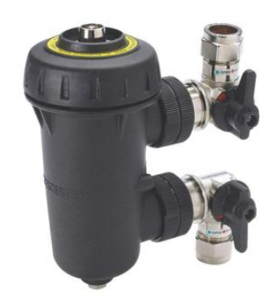


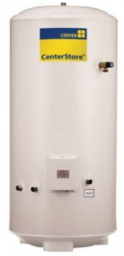

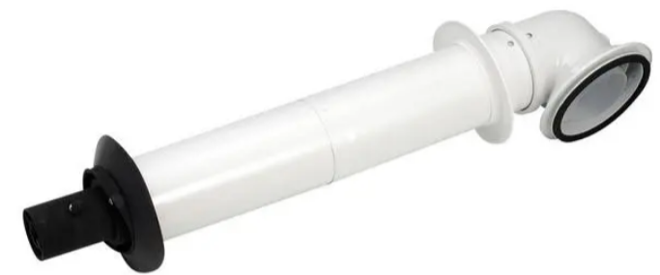


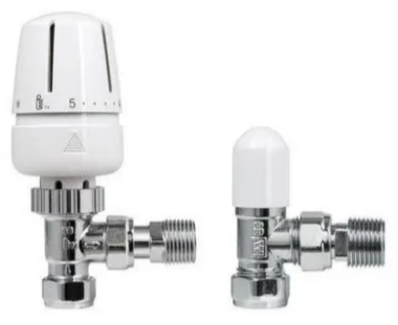

Contact our LNPG Plumbing & Heating Contact Team for your price and to place any orders
lnpg@wolseley.co.uk

All prices correct at time of print and subject to change. Exclude VAT at 20%. Prices based on average size radiators for average size properties and should be used as a GUIDE ONLY. Radiators should be sized correctly based on individual properties.

Gas & Electric Boilers
 |  |  | 
Category | Supplier Name | Product Code | Description | LNPG Price | Comment
Alpha Boilers & Combined ASHP Unit - other flues and accessories are available
Gas Boiler | Alpha | 195895 | ALPHA E-TEC NX 28KW COMBI BOILER 7 YEAR WARRANTY | £521.67 | 28kw combi boiler with 7 year warranty
Gas Boiler | Alpha | 195897 | ALPHA E-TEC NX 33KW COMBI BOILER 7 YEAR WARRANTY | £559.53 | 33kw combi boiler with 7 year warranty
Gas Boiler | Alpha | 196028 | ALPHA E-TEC PLUS 28NX COMBI BOILER 10 YEAR WARRANTY | £745.99 | 28kw combi boiler with 10 year warranty
Gas Boiler | Alpha | 196029 | ALPHA E-TEC PLUS 33NX COMBI BOILER 10 YEAR WARRANTY | £835.83 | 33kw combi boiler with 10 year warranty
Gas Boiler | Alpha | 196030 | ALPHA E-TEC PLUS 38NX COMBI BOILER 10 YEAR WARRANTY | £970.23 | 38kw combi boiler with 10 year warranty
Gas Boiler | Alpha | 195899 | ALPHA E-TEC NX 20KW SYSTEM BOILER 7 YEAR WARRANTY | £734.15 | 20kw system boiler with 7 year warranty
Gas Boiler | Alpha | 195901 | ALPHA E-TEC NX 30KW SYSTEM BOILER 7 YEAR WARRANTY | £799.18 | 30kw system boiler with 7 year warranty
Gas Boiler | Alpha | 195903 | ALPHA E-TEC NX 35KW SYSTEM BOILER 7 YEAR WARRANTY | £853.47 | 35kw system boiler with 7 year warranty
Gas Boiler | Alpha | 196144 | ALPHA E-TEC 15R HEAT ONLY BOILER 7 YEAR WARRANTY | £590.54 | 15kw heat only boiler with 7 year warranty
Gas Boiler | Alpha | 196143 | ALPHA E-TEC 20R HEAT ONLY BOILER 7 YEAR WARRANTY | £644.11 | 20kw heat only boiler with 7 year warranty
Gas Boiler | Alpha | 196142 | ALPHA E-TEC 25R HEAT ONLY BOILER 7 YEAR WARRANTY | £733.43 | 25kw heat only boiler with 7 year warranty
 | Alpha | 197872 | ALPHA PUSH-FIT EASY FLUE 500MM WITH PM | £61.58 | Standard through the wall horizontal Flue
Flue | Alpha | 197879 | ALPHA PUSH-FIT VERTICAL FLUE TERMINAL | £116.09 | Vertical through the roof flue
Gas Boiler & ASHP | Alpha | 191227 | ALPHA E-TEC HYBRID PACKAGED HEAT PUMP & BOILER SOLUTION | £3,158.59 | Combined Heat Pump and Combi Boiler Solution
Baxi / Potterton Boilers - other flues and accessories are available
Gas Boiler | Baxi Uk Ltd | 115083 | BAXI ASSURE 524 COMBI 2 NG BOILER | £700.60 | 25kw combi boiler with 5 year warranty
Gas Boiler | Baxi Uk Ltd | 115084 | BAXI ASSURE 530 COMBI 2 NG BOILER | £712.79 | 30kw combi boiler with 5 year warranty
Gas Boiler | Baxi Uk Ltd | 115085 | BAXI ASSURE 536 COMBI 2 NG BOILER | £847.18 | 36kw combi boiler with 5 year warranty
Gas Boiler | Baxi Uk Ltd | 150983 | BAXI ASSURE HEAT 16KW NG BOILER | £647.95 | 16kw heat only boiler with 5 year warranty
Gas Boiler | Baxi Uk Ltd | 150984 | BAXI ASSURE HEAT 19KW NG BOILER | £682.44 | 19kw heat only boiler with 5 year warranty
Gas Boiler | Baxi Uk Ltd | 150985 | BAXI ASSURE HEAT 25KW NG BOILER | £730.57 | 25kw heat only boiler with 5 year warranty
Gas Boiler | Baxi Uk Ltd | 115086 | BAXI ASSURE 515 SYSTEM 2 NG BOILER | £711.50 | 15kw system only boiler with 5 year warranty
Gas Boiler | Baxi Uk Ltd | 115087 | BAXI ASSURE 518 SYSTEM 2 NG BOILER | £732.39 | 18kw system only boiler with 5 year warranty
Gas Boiler | Baxi Uk Ltd | 115088 | BAXI ASSURE 524 SYSTEM 2 NG BOILER | £768.71 | 24kw system only boiler with 5 year warranty
 | Baxi Uk Ltd | 118854 | BAXI MFIT2 STD HORZ FLUE INC L.PROF ELBW | £88.28 | Standard through the wall horizontal Flue
Flue | Baxi Uk Ltd | 211202 | MULTIFIT STD TELE FLUE 60/100-WHITE | £100.38 | Standard through the wall horizontal Flue Telescopic
Flue | Baxi Uk Ltd | 119903 | MULTIFIT VERTICAL FLUE TERMINAL 60/100MM O/D | £107.12 | Vertical through the roof flue
Flue | Baxi Uk Ltd | 211195 | BAXI MFIT2 1M FLUE EXT & SUP BRKT 60/100 | £53.40 | 1m flue extension
To claim the 5 year warranty on Baxi Assure boilers, a registration form must be completed. This is available on the LNPG website, call LNPG if you need assistance on 01455 234499.
* BAXI ASSURE BOILERS MARKED WITH * ARE NOT CURRENTLY STOCKED AT OUR WAREHOUSE. PLEASE ALLOW 5-7 WORKING DAYS LEAD TIME.
Worcester Bosch Boilers - other flues and accessories are available
Gas Boiler | Worcester Bosch | 113026 | WORC GREENSTAR 2000 GR2301IW 25KW COMBI NG | £535.65 | 25kw combi boiler with 7 year warranty
Gas Boiler | Worcester Bosch | 113027 | WORC GREENSTAR 2000 GR2301IW 30KW COMBI NG | £648.65 | 30kw combi boiler with 7 year warranty
Gas Boiler | Worcester Bosch | 141645 | WORCESTER GREENSTAR 4000 25KW COMBI | £790.13 | 25kw combi boiler with 7+ year warranty
Gas Boiler | Worcester Bosch | 141647 | WORCESTER GREENSTAR 4000 30KW COMBI | £890.75 | 30kw combi boiler with 7+ year warranty
Gas Boiler | Worcester Bosch | 114607 | WORCS GSTAR 8000+ 32KW COMBI WHT NG | £1,153.85 | 32kw combi boiler with 8+ year warranty
Gas Boiler | Worcester Bosch | 114608 | WORCS GSTAR 8000+ 36KW COMBI WHT NG | £1,316.58 | 36kw combi boiler with 8+ year warranty
Gas Boiler | Worcester Bosch | 114609 | WORCS GSTAR 8000+ 40KW COMBI WHT NG | £1,515.56 | 40kw combi boiler with 8+ year warranty
Gas Boiler | Worcester Bosch | 114622 | WORCS GSTAR 8000+ 45KW COMBI WHT NG | £1,855.39 | 45kw combi boiler with 8+ year warranty
Gas Boiler | Worcester Bosch | 114623 | WORCS GSTAR 8000+ 50KW COMBI WHT NG | £2,194.73 | 50kw combi boiler with 8+ year warranty
Gas Boiler | Worcester Bosch | 114612 | WORCS GSTAR 8000+ STYLE 32KW CMBI BLK NG | £1,249.28 | 32kw combi boiler with 8+ year warranty
Gas Boiler | Worcester Bosch | 114613 | WORCS GSTAR 8000+ STYLE 36KW CMBI BLK NG | £1,419.12 | 36kw combi boiler with 8+ year warranty
Gas Boiler | Worcester Bosch | 112914 | WORCESTER GREENSTAR 28CDI COMBI COMPACT ERP | £833.55 | 28kw combi boiler with 7+ year warranty
Gas Boiler | Worcester Bosch | 112916 | WORCESTER GREENSTAR 32CDI COMBI COMPACT ERP | £1,044.05 | 32kw combi boiler with 7+ year warranty
Gas Boiler | Worcester Bosch | 112918 | WORCESTER GREENSTAR 36CDI COMBI COMPACT ERP | £1,222.05 | 36kw combi boiler with 7+ year warranty
Gas Boiler | Worcester Bosch | 141649 | WORCESTER GREENSTAR 4000 12KW SYSTEM | £826.89 | 12kw system only boiler with 7+ year warranty
Gas Boiler | Worcester Bosch | 141651 | WORCESTER GREENSTAR 4000 15KW SYSTEM | £883.09 | 15kw system only boiler with 7+ year warranty
Gas Boiler | Worcester Bosch | 141653 | WORCESTER GREENSTAR 4000 18KW SYSTEM | £938.39 | 18kw system only boiler with 7+ year warranty
Gas Boiler | Worcester Bosch | 141655 | WORCESTER GREENSTAR 4000 21KW SYSTEM | £1,018.65 | 21kw system only boiler with 7+ year warranty
Gas Boiler | Worcester Bosch | 141657 | WORCESTER GREENSTAR 4000 24KW SYSTEM | £1,061.09 | 24kw system only boiler with 7+ year warranty
Gas Boiler | Worcester Bosch | 112952 | WORCESTER GREENSTAR 27I COMPACT NG SYSTEM ERP | £1,102.69 | 27kw system only boiler with 7+ year warranty
Gas Boiler | Worcester Bosch | 112954 | WORCESTER GREENSTAR 30I COMPACT NG SYSTEM ERP | £1,137.81 | 30kw system only boiler with 7+ year warranty
Gas Boiler | Worcester Bosch | 114286 | WORCS GSTAR 8000+ 30KW SYST WHT NG | £1,279.68 | 30kw system only boiler with 8+ year warranty
Gas Boiler | Worcester Bosch | 114287 | WORCS GSTAR 8000+ 35KW SYST WHT NG | £1,431.28 | 35kw system only boiler with 8+ year warranty
Gas Boiler | Worcester Bosch | 112402 | WORCS GREENSTAR REGULAR 12RI ERP+ | £680.92 | 12kw heat only boiler with 7+ year warranty
Gas Boiler | Worcester Bosch | 112403 | WORCS GREENSTAR REGULAR 15RI ERP+ | £702.62 | 15kw heat only boiler with 7+ year warranty
Gas Boiler | Worcester Bosch | 112404 | WORCS GREENSTAR REGULAR 18RI ERP+ | £768.91 | 18kw heat only boiler with 7+ year warranty
Gas Boiler | Worcester Bosch | 112405 | WORCS GREENSTAR REGULAR 21RI ERP+ | £821.30 | 21kw heat only boiler with 7+ year warranty
Gas Boiler | Worcester Bosch | 112406 | WORCS GREENSTAR REGULAR 24RI ERP+ | £854.93 | 24kw heat only boiler with 7+ year warranty
Gas Boiler | Worcester Bosch | 114614 | WORCS GSTAR 8000+ 30KW REG WHT NG | £1,223.08 | 30kw heat only boiler with 8+ year warranty
Gas Boiler | Worcester Bosch | 114615 | WORCS GSTAR 8000+ 35KW REG WHT NG | £1,518.94 | 35kw heat only boiler with 8+ year warranty
Gas Boiler | Worcester Bosch | 114288 | WORCS GSTAR 8000+ 40KW REG WHT NG | £1,806.24 | 40kw heat only boiler with 8+ year warranty
Gas Boiler | Worcester Bosch | 114289 | WORCS GSTAR 8000+ 45KW REG WHT NG | £2,102.96 | 45kw heat only boiler with 8+ year warranty
Gas Boiler | Worcester Bosch | 114290 | WORCS GSTAR 8000+ 50KW REG WHT NG | £2,401.44 | 50kw heat only boiler with 8+ year warranty
Flue | Worcester Bosch | 100850 | WORCESTER 100MM TELESCOPIC HORIZ FLUE KIT | £88.77 | Standard through the wall horizontal Flue
Flue | Worcester Bosch | 100851 | WORCESTER 60/100MM 1M FLUE EXT 7716191083 | £54.77 | 1m flue extension
Flue | Worcester Bosch | 100801 | WORCESTER GREENSTAR HE II VERTICAL FLUE KIT | £125.21 | Vertical through the roof flue
Flue | Worcester Bosch | 100853 | WORCESTER 90DEG FLUE BEND | £44.50 | 90deg elbow
Flue | Worcester Bosch | 100854 | WORCESTER 45DEG FLUE BENDS (PAIR) | £82.14 | 45deg elbow
Flue | Worcester Bosch | 105157 | WORCSESTER 60/100MM LONG TELESCOPIC FLUE KIT | £104.31 | Standard through the wall Flue approx 800mm
Flue | Worcester Bosch | 100840 | WORCESTER PLUME MANAGEMENT KIT | £79.34 | Plume kit
Flue | Worcester Bosch | 100822 | WORCESTER 60/100MM TELESCP HORZ FLUE KIT (HIGHFLOW AND FS) | £96.70 | Standard through the wall Flue - Floor Standing only
Flue | Worcester Bosch | 100823 | WORCESTER 60/100MM VERTICAL FLUE KIT (HIGHFLOW AND FS) | £127.15 | Vertical through the roof flue - Floor Standing only
NEED HELP WITH WORCESTER BOILER SELECTION? CALL THEIR TECHNICAL TEAM ON 0330 123 3366 OR VISIT https://www.worcester-bosch.co.uk/products/boilers/find-a-new-boiler
WORCESTER BOSCH ALSO HAVE A RANGE OF CONTRACT SUPPORTED LPG BOILERS - FOR MORE DETAILS AND PRICES, CONTACT THE PLUMBING & HEATING NATIONAL HUB.
Ideal Boilers - other flues and accessories are available
Gas Boiler | Ideal Boilers Ltd | 333616 | IDEAL LOGIC + COMBI C24 BOILER ONLY | £762.56 | 24kw combi boiler with 7 year warranty
Gas Boiler | Ideal Boilers Ltd | 333617 | IDEAL LOGIC + COMBI C30 BOILER ONLY | £807.34 | 30kw combi boiler with 7 year warranty
Gas Boiler | Ideal Boilers Ltd | 333618 | IDEAL LOGIC + COMBI C35 BOILER ONLY | £878.64 | 35kw combi boiler with 7 year warranty
Gas Boiler | Ideal Boilers Ltd | 114456 | IDEAL LOGIC CODE COMBI ESP1 26KW BOILER | £1,076.83 | 26kw combi boiler, 2 year warranty and improved SAP and DER performance
Gas Boiler | Ideal Boilers Ltd | 114457 | IDEAL LOGIC CODE COMBI ESP1 33KW BOILER | £1,181.45 | 33kw combi boiler, 2 year warranty and improved SAP and DER performance
Gas Boiler | Ideal Boilers Ltd | 114458 | IDEAL LOGIC CODE COMBI ESP1 38KW BOILER | £1,349.74 | 38kw combi boiler, 2 year warranty and improved SAP and DER performance
Gas Boiler | Ideal Boilers Ltd | 334014 | IDEAL LOGIC+ SYSTEM S15 BLR ONLY PK | £844.38 | 15kw system only boiler with 7 year warranty
Gas Boiler | Ideal Boilers Ltd | 334015 | IDEAL LOGIC+ SYSTEM S18 BLR ONLY PK | £858.17 | 18kw system only boiler with 7 year warranty
Gas Boiler | Ideal Boilers Ltd | 334016 | IDEAL LOGIC+ SYSTEM S24 BLR ONLY PK | £871.92 | 24kw system only boiler with 7 year warranty
Gas Boiler | Ideal Boilers Ltd | 334017 | IDEAL LOGIC+ SYSTEM S30 BLR ONLY PK | £885.70 | 30kw system only boiler with 7 year warranty
Gas Boiler | Ideal Boilers Ltd | 334031 | IDEAL LOGIC+ HEAT H12 BLR ONLY PK | £750.11 | 12kw heat only boiler with 7 year warranty
Gas Boiler | Ideal Boilers Ltd | 334033 | IDEAL LOGIC+ HEAT H18 BLR ONLY PK | £780.13 | 18kw heat only boiler with 7 year warranty
Gas Boiler | Ideal Boilers Ltd | 334034 | IDEAL LOGIC+ HEAT H24 BLR ONLY PK | £793.88 | 24kw heat only boiler with 7 year warranty
Gas Boiler | Ideal Boilers Ltd | 334035 | IDEAL LOGIC+ HEAT H30 BLR ONLY PK | £925.35 | 30kw heat only boiler with 7 year warranty
Flue | Ideal Boilers Ltd | 123502 | IDEAL 1M FLUE EXTENSION (PACK D) | £50.18 | 1m flue extension
Flue | Ideal Boilers Ltd | 124869 | IDEAL ROOF FLUE KIT (WITH VRT CONNECTOR) | £145.34 | Vertical through the roof flue
Flue | Ideal Boilers Ltd | 123304 | IDEAL TELESCOPIC B PACK FLUE | £97.13 | Standard through the wall horizontal Flue telescopic
Flue | Ideal Boilers Ltd | 123305 | IDEAL HORIZONTAL FLUE TERMINAL 600MM | £81.15 | Standard through the wall horizontal Flue 600mm
Flue | Ideal Boilers Ltd | 123306 | IDEAL HORIZONTAL FLUE TERMINAL 1000MM | £125.71 | Standard through the wall horizontal Flue 1000mm
Flue | Ideal Boilers Ltd | 123504 | IDEAL 45DEG FLUE BENDS (PAIR) | £69.04 | 45deg elbow
Flue | Ideal Boilers Ltd | 123503 | IDEAL 90DEG FLUE BEND | £37.86 | 90deg elbow
Flue | Ideal Boilers Ltd | 123310 | IDEAL HIGH LEVEL FLUE OUTLET KIT (PLUME KIT) | £95.35 | Plume kit
Intergas Boilers - other flues and accessories are available
 | Intergas | 102436 | INTERGAS COMBI COMPACT HRE 24/18 ERP | £649.43 | Combi, system or heat only boiler with 7+ years warranty
 | Intergas | 102437 | INTERGAS COMBI COMPACT HRE 28/24 ERP | £744.01 | Combi, system or heat only boiler with 7+ years warranty
 | Intergas | 102438 | INTERGAS COMBI COMPACT HRE 36/30 ERP | £836.39 | Combi, system or heat only boiler with 7+ years warranty
 | Intergas | 102439 | INTERGAS COMBI COMPACT HRE 36/40 ERP | £952.06 | Combi, system or heat only boiler with 7+ years warranty
 | Intergas | 101385 | INTERGAS HORZ STR TELSCP WALL TERM 520MM | £80.51 | Standard through the wall Horizontal Flue telescopic
 | Intergas | 101386 | INTERGAS HORZ OFFSET WALL TERM (TELESCP) | £93.66 | Standard through the wall offset Horizontal Flue telescopic
 | Intergas | 101357 | INTERGAS VERTICAL ROOF TERMINAL 60/100 | £95.85 | Vertical through the roof flue
 | Intergas | 101343 | INTERGAS FITTING KIT A (REAR JIG) 24/18 | £69.67 | Fitting Kit
 | Intergas | 101344 | INTERGAS FITTING KIT A (REAR JIG) 28/24 | £69.67 | Fitting Kit
 | Intergas | 101345 | INTERGAS FITTING KIT A (REAR JIG) 36/30 | £69.67 | Fitting Kit (also fits the 36/40)
EHC (Electric Heating Company) Electric Boilers
Electric Boiler | EHC | 134766 | EHC MERCURY 12KW ELECTRIC COMBI BLR WHITE | £1,260.90
Electric Boiler | EHC | 134767 | EHC MERCURY 15KW ELECTRIC COMBI BLR WHITE | £1,260.89
Electric Boiler | EHC | 134768 | EHC MERCURY 19KW ELECTRIC COMBI BLR WHITE | £1,546.74
Electric Boiler | EHC | 134769 | EHC MERCURY 26KW ELECTRIC COMBI BLR WHITE | £1,546.74
Electric Boiler | EHC | 114790 | COMET PV 2/4/6/8KW SMART ELECTRIC BOILER | £1,047.34 | New range
Electric Boiler | EHC | 114791 | COMET PV 7/9/12/14.4KW SMART ELECTRIC BOILER | £1,093.84 | New range
Electric Boiler | EHC | 114792 | COMET PV 12/16/20/24KW SMART ELECTRIC BOILER | £1,522.38 | New range
Electric Boiler | EHC | 114794 | C.MI2 INTERNET SMART MODULE | £187.28 | New range - internet module accessory
Electric Boiler | EHC | 114768 | EHC SLIM JIM 4KW ELECTRIC FLOW BOILER | £614.74 | New range - Electric boiler and cylinder package
Electric Boiler | EHC | 114769 | EHC SLIM JIM 7KW ELECTRIC FLOW BOILER | £632.25 | New range - Electric boiler and cylinder package
Electric Boiler | EHC | 114770 | EHC SLIM JIM 10KW ELECTRIC FLOW BOILER | £648.63 | New range - Electric boiler and cylinder package
Electric Boiler | EHC | 114771 | EHC SLIM JIM 12KW ELECTRIC FLOW BOILER | £684.71 | New range - Electric boiler and cylinder package
Electric Boiler | EHC | 114772 | EHC SLIM JIM 14.4KW ELECTRIC FLOW BOILER | £720.76 | New range - Electric boiler and cylinder package
Electric Boiler | EHC | 134473 | COMET PV 8KW/120L ELECTRIC BLR DIR CYL | £1,433.40 | New range - Electric boiler and cylinder package
Electric Boiler | EHC | 134474 | COMET PV 8KW/150L ELECTRIC BLR DIR CYL | £1,470.34 | New range - Electric boiler and cylinder package
Electric Boiler | EHC | 134475 | COMET PV 8KW/180L ELECTRIC BLR DIR CYL | £1,499.88 | New range - Electric boiler and cylinder package
Electric Boiler | EHC | 134476 | COMET PV 14.4KW/120L ELEC BLR DIR CYL | £1,450.44 | New range - Electric boiler and cylinder package
Electric Boiler | EHC | 134477 | COMET PV 14.4KW/150L ELECBLR DIR CYL | £1,487.38 | New range - Electric boiler and cylinder package
Electric Boiler | EHC | 134478 | COMET PV 14.4KW/180L ELEC BLR DIR CYL | £1,516.93 | New range - Electric boiler and cylinder package
Electric Boiler | EHC | 134479 | COMET PV 14.4KW/210L ELEC BLR DIR CYL | £1,546.46 | New range - Electric boiler and cylinder package
Electric Boiler | EHC | 134480 | COMET PV 14.4KW/250L ELEC BLR DIR CYL | £1,663.41 | New range - Electric boiler and cylinder package
Electric Boiler | EHC | 134481 | COMET PV 8KW/120L ELECTRIC BLR INDIR CYL | £1,619.39 | New range - Electric boiler and cylinder package
Electric Boiler | EHC | 134482 | COMET PV 8KW/150L ELECTRIC BLR INDIR CYL | £1,649.06 | New range - Electric boiler and cylinder package
Electric Boiler | EHC | 134483 | COMET PV 8KW/180L ELECTRIC BLR INDIR CYL | £1,693.53 | New range - Electric boiler and cylinder package
Electric Boiler | EHC | 134484 | COMET PV 14.4KW/120L ELEC BLR INDIR CYL | £1,636.44 | New range - Electric boiler and cylinder package
Electric Boiler | EHC | 134485 | COMET PV 14.4KW/150L ELEC BLR INDIR CYL | £1,666.11 | New range - Electric boiler and cylinder package
Electric Boiler | EHC | 134486 | COMET PV 14.4KW/180L ELEC BLR INDIR CYL | £1,708.92 | New range - Electric boiler and cylinder package
Electric Boiler | EHC | 134487 | COMET PV 14.4KW/210L ELEC BLR INDIR CYL | £1,755.05 | New range - Electric boiler and cylinder package
Electric Boiler | EHC | 134488 | COMET PV 14.4KW/250L ELEC BLR INDIR CYL | £1,820.37 | New range - Electric boiler and cylinder package
Electric Boiler | EHC | 134489 | COMET PV 8KW/150L ELEC BLR INDIR PP CYL | £1,857.31 | New range - Electric boiler and cylinder package
Electric Boiler | EHC | 134490 | COMET PV 8KW/180L ELEC BLR INDIR PP CYL | £1,888.98 | New range - Electric boiler and cylinder package
Electric Boiler | EHC | 134491 | COMET PV 14.4KW/150L ELEC BLR IND PP CYL | £1,874.38 | New range - Electric boiler and cylinder package
Electric Boiler | EHC | 134492 | COMET PV 14.4KW/180L ELEC BLR IND PP CYL | £1,906.01 | New range - Electric boiler and cylinder package
Electric Boiler | EHC | 134493 | COMET PV 14.4KW/210L ELEC BLR IND PP CYL | £2,041.95 | New range - Electric boiler and cylinder package
Electric Boiler | EHC | 134494 | COMET PV 14.4KW/250L ELEC BLR IND PP CYL | £2,041.95 | New range - Electric boiler and cylinder package
Electric Boiler | EHC | 134432 | COMET 9KW/150L ELECTRIC BOILER INDIRECT CYLINDER | £1,796.01 | Electric boiler and cylinder package
Electric Boiler | EHC | 134435 | COMET 12KW/180L ELECTRIC BOILER INDIRECT CYLINDER | £1,799.26 | Electric boiler and cylinder package
Heatrae Sadia Electric Boilers
Electric Boiler | Heatrae Sadia | 134114 | HEATRAE AMPTEC U1201 12KW UFH ELECTRIC BOILER | £977.35 | For use with underfloor heating
Electric Boiler | Heatrae Sadia | 134110 | HEATRAE AMPTEC U401 4KW UFH ELECTRIC BOILER | £560.21 | For use with underfloor heating
Electric Boiler | Heatrae Sadia | 134111 | HEATRAE AMPTEC U601 6KW UFH ELECTRIC BOILER | £560.21 | For use with underfloor heating
Electric Boiler | Heatrae Sadia | 134112 | HEATRAE AMPTEC U901 9KW UFH ELECTRIC BOILER | £780.47 | For use with underfloor heating
Electric Boiler | Heatrae Sadia | 134104 | HEATRAE AMPTEC 11KW ELECTRIC BOILER | £973.30 | For use with radiators
Electric Boiler | Heatrae Sadia | 134103 | HEATRAE AMPTEC 12KW ELECTRIC BOILER | £995.99 | For use with radiators
Electric Boiler | Heatrae Sadia | 134100 | HEATRAE AMPTEC 4KW ELECTRIC BOILER | £580.81 | For use with radiators
Electric Boiler | Heatrae Sadia | 134101 | HEATRAE AMPTEC 6KW ELECTRIC BOILER | £580.81 | For use with radiators
Electric Boiler | Heatrae Sadia | 134102 | HEATRAE AMPTEC 9KW ELECTRIC BOILER | £823.53 | For use with radiators
Electric Boiler | Heatrae Sadia | 134180 | HEATRAE ELECTROMAX 6KW BOILER EUP | £2,054.16 | Combined electric boiler and unvented cylinder
Electric Boiler | Heatrae Sadia | 134181 | HEATRAE ELECTROMAX 9KW RADIATOR EUP | £2,054.16 | Combined electric boiler and unvented cylinder

 | LNPG Boiler Warranties
 | Manufacturer | Model | Warranty | Comments - registration of warranty is required for all the below
 | Worcester | Greenstar 2000 Range | 7 years parts & labour | 7 years is maximum warranty - a filter must be installed
 | Worcester | Greenstar 4000, Si, CDI, Ri Range | 7 years parts & labour | +1 year with Worcester system filter = 8 years
 | Worcester | Greenstar 8000 Range | 8 years parts & labour | +2 years with Worcester system filter = 10 years
 | Baxi | Assure | 5 years parts & labour | 5 year claim form available on LNPG website and must be filled out (standard warranty only 2 years)
 | Ideal | Logic+ | 7 years parts & labour | Warranty as standard
 | Intergas | HRE | 7 years parts & labour | +2 years with Intergas filter = 9 years
 | Alpha | E-Tec | 7 years parts & labour | Warranty as standard
 | Alpha | E-Tec Plus | 10 years parts & labour | Warranty as standard
 | Heatrae Sadia | Amptec, Electromax | 2 years parts & labour | Warranty as standard
 | EHC | Boilers | 5 years parts & 2 years labour | Warranty as standard
 | EHC | Cylinders | 25 years cylinder & 2 years parts | Warranty as standard

Renewables & Energy Efficiency
 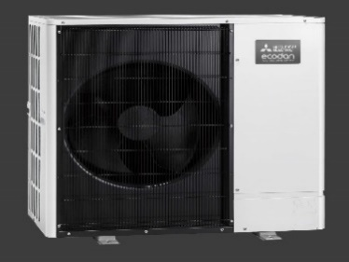 |  |  |  |  | 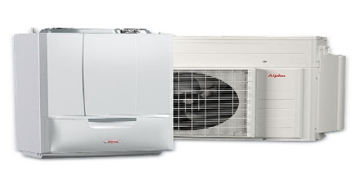
Category | Supplier Name | Product Code | Description | LNPG Price | Comment
Panasonic Air Source Heat Pumps
ASHP | Panasonic | T21876 | PAN 5KW R32 AQUAREA MONO J-GEN 1PH ASHP | £2,180.73 | WH-MDC05J3E5
ASHP | Panasonic | T21877 | PAN 7KW R32 AQUAREA MONO J-GEN 1PH ASHP | £2,578.74 | WH-MDC07J3E5
ASHP | Panasonic | T21878 | PAN 9KW R32 AQUAREA MONO J-GEN 1PH ASHP | £2,845.99 | WH-MDC09J3E5
ASHP | Panasonic | T21879 | PAN 12KW R410A AQUAREA MONO H-GEN ASHP | £3,664.41 | WH-MDC12H6E5
ASHP | Panasonic | T21880 | PAN 16KW R410A AQUAREA MONO H-GEN ASHP | £4,267.55 | WH-MDC16H6E5
ASHP | Panasonic | T21881 | PAN 9KW R32 AQUAREA TCAP MONO J GEN ASHP | £3,150.83 | WH-MXC09J3E5
ASHP | Panasonic | T21882 | PAN 12KW R32 AQUAREA TCAP MONO JGEN ASHP | £3,940.33 | WH-MXC12J6E5
ASHP | Panasonic | T21883 | PAN 16KW R32 AQUAREA TCAP MONO JGEN ASHP | £5,770.01 | MXC16J9E8
ASHP | Panasonic | T21884 | PANASONIC 200L STAINLESS STEEL DHW TANK | £907.98 | KIT-G3TD20C1E5
ASHP | Panasonic | T21885 | PANASONIC 300L STAINLESS STEEL DHW TANK | £1,142.73 | KIT-G3TD30C1E5
ASHP | Panasonic | T21886 | PAN 200L DUO PP DHW TANK W BUFFER TANK | £2,073.83 | PAW-TD20B7PP-UK
ASHP | Panasonic | T21887 | PAN 300L DUO PP DHW TANK W BUFFER TANK | £2,364.20 | PAW-TD30B7PP-UK
ASHP | Panasonic | T21888 | PANASONIC 50L BUFFER TANK | £293.29 | PAW-BTANK50L-2
ASHP | Panasonic | T21889 | PANASONIC 3-WAY VALVE FOR DHW TANKS. | £135.39 | PAW-3WYVLV-HW
ASHP | Panasonic | T21890 | PANASONIC CZ-NS4P PCB - J & H GEN MODELS | £133.86 | CZ-NS4P
ASHP | Panasonic | T21891 | PANASONIC AQUAREA SMART CLOUD | £148.39 | CZ-TAW1
ASHP | Panasonic | T21892 | PANASONIC 10M EXTENSION CABLE 4 CZ-TAW1 | £39.78 | CZ-TAW1-CBL
ASHP | Panasonic | T21893 | PANASONIC TEMP SENSR KIT 4 3RD PRTY TANK | £61.20 | CZ-TK1
ASHP | Panasonic | T21894 | PANASONIC TANK SENSOR W 6M CABLE LENGTH | £30.59 | PAW-TS1
ASHP | Panasonic | T21895 | PANASONIC TANK SENSOR W 20M CABLE LENGTH | £35.19 | PAW-TS2
ASHP | Panasonic | T21896 | PANASONIC ZONE ROOM SENSOR | £35.19 | PAW-A2W-TSRT
ASHP | Panasonic | T21897 | PANASONIC ZONE WATER SENSOR | £35.19 | PAW-A2W-TSHC
ASHP | Panasonic | T21898 | PANASONIC OUTDOOR BASE GROUND SUPPORT | £110.89 | PAW-GRDBSE20
ASHP | Panasonic | T21899 | PANASONIC PAW-A2W-AFVL ANTIFREEZE VALV | £89.48 | PAW-A2W-AFVLV
ASHP | Panasonic | T21934 | PAN AQUAREA 5KW ALL-IN-1 ASHP L GEN OUT | £2,205.29 | WH-WDG05LE5
ASHP | Panasonic | T21936 | PAN AQUAREA 7KW L GEN ASHP R290 OUT/UNIT | £2,294.14 | WH-WDG07LE5
ASHP | Panasonic | T21941 | PAN WIRED LCD ROOM STAT WEEKLY TIMER | £137.67 | PAW-A2W-RTWIRED
ASHP | Panasonic | T21942 | PAN WIRELESS LCD ROOM STAT WEEKLY TIMER | £84.13 | PAW-A2W-RTWIRELESS
ASHP | Panasonic | T21933 | PAN AQUAREA ALL-IN-1 ASHP L GEN INDOOR | £3,172.49 | WH-ADC0509L3E5UK
ASHP | Panasonic | T21935 | PAN HYDRAULIC ACCESSORIES PAW-G3KIT-1 | £110.91 | PAW-G3KIT-1
ASHP | Panasonic | T21937 | PAN AQUAREA 9KW L GEN ASHP R290 OUT/UNIT | £2,500.00 | WH-WDG09LE5
ASHP | Panasonic | T21938 | PAN AQUAREA BI-BLOCK LGEN ASHP IND/UNIT | £913.76 | WH-SDC0509L3E5
ASHP | Panasonic | T21951 | PAN AQUAREA 5KW ALL IN ONE L IN+OUT PACK | £5,482.53 | T21951 PK
ASHP | Panasonic | T21953 | PAN AQUAREA 9KW ALL IN ONE L IN+OUT PACK | £5,777.24 | T21953 PK
ASHP | Panasonic | T21954 | PAN AQUAREA 5KW BI-BLOCK LGEN IN+OUT PK | £3,119.04 | T21954 PK
ASHP | Panasonic | T21955 | PAN AQUAREA 7KW BI-BLOCK LGEN IN+OUT PK | £3,207.89 | T21955 PK
ASHP | Panasonic | T21956 | PAN AQUAREA 9KW BI-BLOCK LGEN IN+OUT PK | £3,413.75 | T21956 PK

Mitsubishi Air Source Heat Pumps - Full range available to LNPG, most popular units priced below
ASHP | Mitsubishi | 605851 | ECODAN 5KW ASHP MONOBLOC UNIT | £1,608.64 | 5KW ASHP
ASHP | Mitsubishi | 605852 | ECODAN 8.5KW ASHP MONOBLOC UNIT | £2,392.78 | 8.5KW ASHP
Full range of Mitsubishi available with LNPG discounts, ask for further details or visit https://les.mitsubishielectric.co.uk/homeowners

Alpha E-Tec Hybrid Packaged Boiler & Heat Pump System
Gas Boiler & ASHP | Alpha | 191227 | ALPHA E-TEC HYBRID PACKAGED HEAT PUMP & BOILER SOLUTION | £3,158.59 | Combined Heat Pump and Combi Boiler Solution

ProLite Heat Pump Cylinders - compatible with ASHP systems
ASHP Cylinder | UK Cylinders | 175022 | PROLITE HEATPUMP UNVENTED 120L CYL | £675.12 | 25 year cylinder and 2 years parts warranty
ASHP Cylinder | UK Cylinders | 175023 | PROLITE HEATPUMP UNVENTED 150L CYL | £702.05 | 25 year cylinder and 2 years parts warranty
ASHP Cylinder | UK Cylinders | 175024 | PROLITE HEATPUMP UNVENTED 170L CYL | £766.27 | 25 year cylinder and 2 years parts warranty
ASHP Cylinder | UK Cylinders | 175025 | PROLITE HEATPUMP UNVENTED 200L CYL | £808.11 | 25 year cylinder and 2 years parts warranty
ASHP Cylinder | UK Cylinders | 175026 | PROLITE HEATPUMP UNVENTED 250L CYL | £835.89 | 25 year cylinder and 2 years parts warranty
ASHP Cylinder | UK Cylinders | 175027 | PROLITE HEATPUMP UNVENTED 300L CYL | £869.09 | 25 year cylinder and 2 years parts warranty
ASHP Cylinder | UK Cylinders | 175028 | PROLITE HEATPUMP SLIMLINE UNV 150L CYL | £807.86 | 25 year cylinder and 2 years parts warranty
ASHP Cylinder | UK Cylinders | 175029 | PROLITE HEATPUMP SLIMLINE UNV 170L CYL | £869.72 | 25 year cylinder and 2 years parts warranty
OSO Delta Coil Cylinders - An award winning hot water cylinder, recognised as the most efficient available
ASHP Cylinder | OSO | 497263 | OSO DELTA DGC200 3KW HEATPUMP CYL | £873.15 | Top brand cylinder manufacturer

Worcester Xtra Flue Gas Recovery Unit - for use on gas boilers
Flue Gas Recovery | Worcester Bosch | 105005 | WORCESTER GREENSTAR XTRA FLUE GAS HEAT RECOVERY UNIT | £291.82 | Helps in achieving SAP target emission rates. Compatible with the latest range of Greenstar i, Si and CDi compact boilers

Ideal Boilers Logic Code Combi's ESP1 Range - Achieves optimum SAP and DER ratings for standard combination boiler usage
Gas Boiler | Ideal Boilers Ltd | 114456 | IDEAL LOGIC CODE COMBI ESP1 26KW BOILER | £1,076.83 | 26kw combi boiler, 2 year warranty and improved SAP and DER performance
Gas Boiler | Ideal Boilers Ltd | 114457 | IDEAL LOGIC CODE COMBI ESP1 33KW BOILER | £1,181.45 | 33kw combi boiler, 2 year warranty and improved SAP and DER performance
Gas Boiler | Ideal Boilers Ltd | 114458 | IDEAL LOGIC CODE COMBI ESP1 38KW BOILER | £1,349.74 | 38kw combi boiler, 2 year warranty and improved SAP and DER performance

CenterRad & Towel Rails
 
CenterRad Compact |  | Price | Image
See Controls & Water Treatment Tab for all Radiator and Towel rail valve options
Radiator Types (HxL) |  |  | The BTU output of each radiator is listed at the and of each product description
SC = K1, TYPE 11 OR SINGLE PANEL SINGLE CONVECTOR
DX = P+, TYPE 21 OR DOUBLE PANEL SINGLE CONVECTOR
DC = K2, TYPE 22 OR DOUBLE PANEL DOUBLE CONVECTOR
706887 | * CENTER 30DC80 2624BTU | £36.11
706922 | * CENTER 30DC120 3934BTU | £47.80
706911 | * CENTER 30DC160 5248BTU | £60.55
706898 | * CENTER 30DC200 6558BTU | £73.57
706876 | * CENTER 30DX80 2078BTU | £32.16
706883 | * CENTER 30DX120 3115BTU | £43.13
706879 | * CENTER 30DX160 4156BTU | £54.74
706914 | * CENTER 30SC40 744BTU | £15.99
706878 | * CENTER 30SC120 2235BTU | £38.00
706888 | * CENTER 45DC40 1839BTU | £32.61
706901 | * CENTER 45DC50 230BTU | £37.17
706917 | * CENTER 45DC60 2757BTU | £41.68
706902 | * CENTER 45DC70 3218BTU | £45.74
706935 | * CENTER 45DC80 3678BTU | £50.71
706928 | * CENTER 45DC90 4135BTU | £54.75
706952 | * CENTER 45DC100 4596BTU | £60.11
706933 | * CENTER 45DC110 5057BTU | £65.06
706961 | * CENTER 45DC120 5514BTU | £70.17
706960 | * CENTER 45DC140 6435BTU | £79.34
706953 | * CENTER 45DC160 7353BTU | £90.11
706926 | * CENTER 45DC180 8274BTU | £101.22
706919 | * CENTER 45DC200 9192BTU | £110.70
706909 | * CENTER 45DX80 2893BTU | £44.96
706894 | * CENTER 45DX90 3255BTU | £48.96
706930 | * CENTER 45DX100 3617BTU | £53.38
706904 | * CENTER 45DX110 3978BTU | £58.48
706942 | * CENTER 45DX120 4340BTU | £62.35
706936 | * CENTER 45DX140 5063BTU | £70.43
706913 | * CENTER 45DX160 5787BTU | £80.07
706895 | * CENTER 45DX180 6510BTU | £89.76
706967 | * CENTER 45SC40 1078BTU | £23.49
706955 | * CENTER 45SC50 1348BTU | £24.99
706944 | * CENTER 45SC60 1617BTU | £27.49
706916 | * CENTER 45SC70 1887BTU | £34.05
706934 | * CENTER 45SC80 2156BTU | £37.01
706923 | * CENTER 45SC90 2426BTU | £39.57
706937 | * CENTER 45SC100 2695BTU | £42.55
706918 | * CENTER 45SC110 2965BTU | £45.83
706943 | * CENTER 45SC120 3235BTU | £48.96
706939 | * CENTER 45SC140 3774BTU | £55.19
706925 | * CENTER 45SC160 4313BTU | £61.80
706899 | * CENTER 45SC180 4852BTU | £68.53
706889 | * CENTER 45SC200 5391BTU | £74.73
706959 | * CENTER 60DC40 2334BTU | £36.03
706966 | * CENTER 60DC50 2917BTU | £41.11
706986 | * CENTER 60DC60 3497BTU | £40.00
706968 | * CENTER 60DC70 4081BTU | £50.46
706985 | * CENTER 60DC80 4664BTU | £55.49
706973 | * CENTER 60DC90 5248BTU | £60.25
706989 | * CENTER 60DC100 5831BTU | £58.99
706969 | * CENTER 60DC110 6415BTU | £70.10
706990 | * CENTER 60DC120 6998BTU | £67.00
706981 | * CENTER 60DC140 8165BTU | £86.28
706971 | * CENTER 60DC160 9328BTU | £97.54
706948 | * CENTER 60DC180 10495BTU | £109.33
706927 | * CENTER 60DC200 11662BTU | £119.49
706947 | * CENTER 60DX40 1829BTU | £32.16
706962 | * CENTER 60DX50 2286BTU | £32.00
706978 | * CENTER 60DX60 2743BTU | £40.44
706958 | * CENTER 60DX70 3200BTU | £44.61
706977 | * CENTER 60DX80 3658BTU | £48.58
706965 | * CENTER 60DX90 4115BTU | £52.72
706980 | * CENTER 60DX100 4572BTU | £50.50
706963 | * CENTER 60DX110 5029BTU | £63.06
706979 | * CENTER 60DX120 5486BTU | £67.23
706970 | * CENTER 60DX140 6401BTU | £75.57
706954 | * CENTER 60DX160 7315BTU | £85.81
706915 | * CENTER 60DX180 8230BTU | £96.08
706881 | * CENTER 60DX200 9144BTU | £105.29
706982 | * CENTER 60SC40 1389BTU | £26.00
706987 | * CENTER 60SC50 1737BTU | £28.50
706991 | * CENTER 60SC60 2085BTU | £32.00
706972 | * CENTER 60SC70 2433BTU | £39.50
706988 | * CENTER 60SC80 2777BTU | £41.99
706976 | * CENTER 60SC90 3125BTU | £46.50
706983 | * CENTER 60SC100 3473BTU | £43.99
706974 | * CENTER 60SC110 3821BTU | £58.04
706984 | * CENTER 60SC120 4169BTU | £51.49
706975 | * CENTER 60SC140 4862BTU | £70.81
706964 | * CENTER 60SC160 5558BTU | £79.18
706946 | * CENTER 60SC180 6251BTU | £88.26
706907 | * CENTER 60SC200 6947BTU | £96.83
706931 | * CENTER 75DC30 2105BTU | £39.63
706941 | * CENTER 75DC40 2805BTU | £49.31
706951 | * CENTER 75DC50 3508BTU | £53.10
706957 | * CENTER 75DC60 4207BTU | £59.87
706938 | * CENTER 75DC70 4910BTU | £72.93
706940 | * CENTER 75DC80 5609BTU | £83.87
706921 | * CENTER 75DC90 6312BTU | £94.09
706932 | * CENTER 75DC100 7012BTU | £101.45
706906 | * CENTER 75DC110 7715BTU | £112.27
706929 | * CENTER 75DC120 8414BTU | £118.91
706912 | * CENTER 75DC140 9816BTU | £139.31
706897 | * CENTER 75DC160 11219BTU | £157.74
706903 | * CENTER 75DX40 2191BTU | £45.50
706910 | * CENTER 75DX50 2740BTU | £55.23
706908 | * CENTER 75DX60 3289BTU | £60.99
706892 | * CENTER 75DX70 3835BTU | £68.20
706891 | * CENTER 75DX80 4384BTU | £78.09
706886 | * CENTER 75DX90 4930BTU | £87.34
706885 | * CENTER 75DX100 5480BTU | £94.09
706880 | * CENTER 75DX110 6029BTU | £102.34
706884 | * CENTER 75DX120 6575BTU | £109.22
706877 | * CENTER 75DX140 7670BTU | £128.72
706875 | * CENTER 75DX160 8769BTU | £145.57
706949 | * CENTER 75SC30 1259BTU | £24.99
706945 | * CENTER 75SC40 1679BTU | £32.45
706956 | * CENTER 75SC50 2098BTU | £38.17
706950 | * CENTER 75SC60 2518BTU | £42.10
706920 | * CENTER 75SC70 2938BTU | £46.11
706924 | * CENTER 75SC80 3357BTU | £51.96
706905 | * CENTER 75SC90 3777BTU | £57.82
706890 | * CENTER 75SC100 4197BTU | £62.15
706900 | * CENTER 75SC110 4616BTU | £67.35
706896 | * CENTER 75SC120 5036BTU | £73.14
706893 | * CENTER 75SC140 5875BTU | £85.53
706882 | * CENTER 75SC160 6715BTU | £94.23
CenterRad Plan |  | Price | Image
239778 | * CRAD PLAN 450 SG 400MM / 877B | £74.42 | 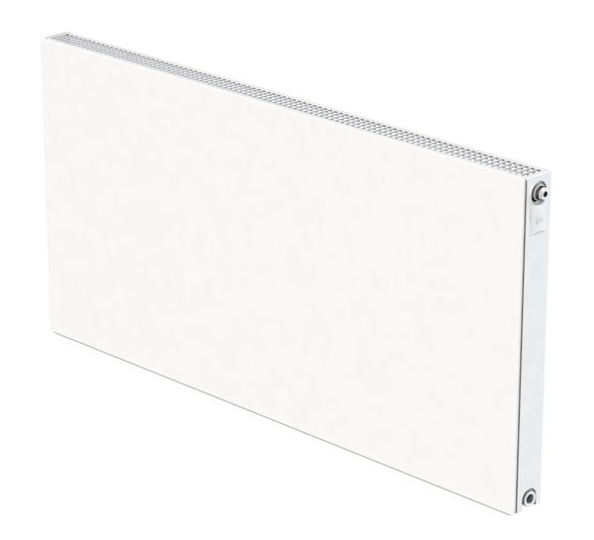 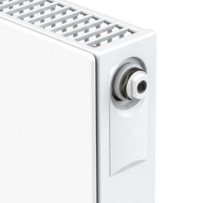 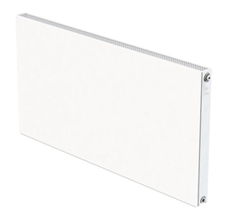 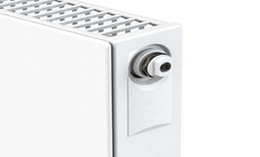
239779 | * CRAD PLAN 450 SG 600MM / 1339B | £86.80
239780 | * CRAD PLAN 450 SG 800MM / 1799B | £114.37
239781 | * CRAD PLAN 450 SG 1000MM / 2259B | £143.26
239782 | * CRAD PLAN 450 SG 1200MM / 2719B | £172.22
239783 | * CRAD PLAN 450 SG 1400MM / 3179B | £199.77
239785 | * CRAD PLAN 450 SG 1800MM / 4101B | £279.62
239786 | * CRAD PLAN 600 SG 400MM / 1109B | £81.30
239787 | * CRAD PLAN 600 SG 500MM / 1402B | £89.55
239788 | * CRAD PLAN 600 SG 600MM / 1694B | £93.70
239789 | * CRAD PLAN 600 SG 700MM / 1983B | £108.85
239790 | * CRAD PLAN 600 SG 800MM / 2276B | £125.38
239792 | * CRAD PLAN 600 SG 1000MM / 2857B | £155.67
239793 | * CRAD PLAN 600 SG 1200MM / 3439B | £187.31
239794 | * CRAD PLAN 600 SG 1400MM / 4021B | £219.02
239795 | * CRAD PLAN 600 SG 1600MM / 4606B | £249.34
239796 | * CRAD PLAN 600 SG 1800MM / 5188B | £304.39
239797 | * CRAD PLAN 600 SG 2000MM / 5769B | £312.69
239799 | * CRAD PLAN 700 SG 600MM / 1914B | £114.37
239806 | * CRAD PLAN 450 DG 400MM / 1660B | £117.11
239807 | * CRAD PLAN 450 DG 600MM / 2535B | £150.17
239808 | * CRAD PLAN 450 DG 800MM / 3405B | £173.55
239809 | * CRAD PLAN 450 DG 1000MM / 4276B | £199.77
239810 | * CRAD PLAN 450 DG 1200MM / 5147B | £239.69
239811 | * CRAD PLAN 450 DG 1400MM / 6017B | £309.93
239812 | * CRAD PLAN 450 DG 1600MM / 6892B | £354.00
239813 | * CRAD PLAN 450 DG 1800MM / 7763B | £398.09
239814 | * CRAD PLAN 600 DG 400MM / 2082B | £128.11
239815 | * CRAD PLAN 600 DG 500MM / 2631B | £146.00
239816 | * CRAD PLAN 600 DG 600MM / 3180B | £163.94
239817 | * CRAD PLAN 600 DG 700MM / 3723B | £176.29
239818 | * CRAD PLAN 600 DG 800MM / 4272B | £190.09
239819 | * CRAD PLAN 600 DG 900MM / 4816B | £203.86
239820 | * CRAD PLAN 600 DG 1000MM / 5365B | £219.02
239821 | * CRAD PLAN 600 DG 1200MM / 6457B | £261.71
239823 | * CRAD PLAN 600 DG 1600MM / 8647B | £394.67
239825 | * CRAD PLAN 600 DG 2000MM / 10831B | £647.10
239826 | * CRAD PLAN 700 DG 400MM / 2361B | £144.65
239827 | * CRAD PLAN 700 DG 600MM / 3605B | £199.78
239828 | * CRAD PLAN 700 DG 800MM / 4844B | £267.23
239829 | * CRAD PLAN 700 DG 1000MM / 6082B | £336.10
CenterRad Deco |  | Price | Image
241045 | * CRAD DECO 300 SG 800MM / 1279B | £54.88 | 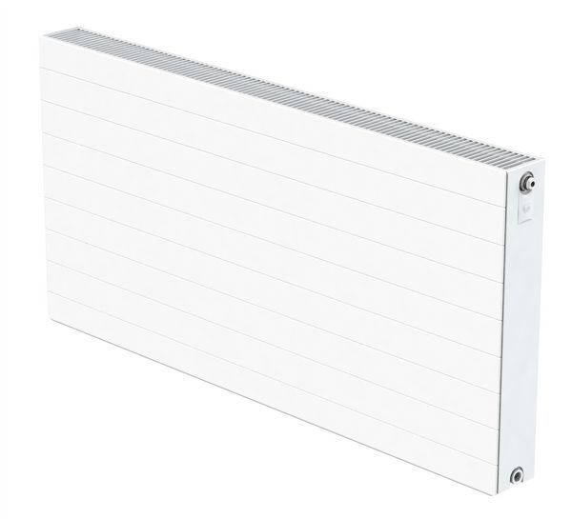 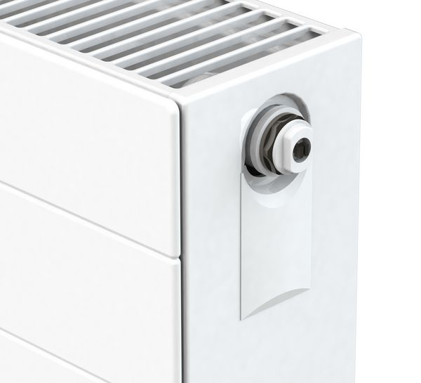
241047 | * CRAD DECO 300 SG 1600MM / 2588B | £126.08
241048 | * CRAD DECO 450 SG 400MM / 877B | £51.75
241049 | * CRAD DECO 450 SG 600MM / 1339B | £61.01
241051 | * CRAD DECO 450 SG 1000MM / 2259B | £100.78
241052 | * CRAD DECO 450 SG 1200MM / 2719B | £120.62
241053 | * CRAD DECO 450 SG 1400MM / 3179B | £140.54
241054 | * CRAD DECO 450 SG 1600MM / 3641B | £160.43
241055 | * CRAD DECO 450 SG 1800MM / 4101B | £196.23
241056 | * CRAD DECO 600 SG 400MM / 1109B | £57.00
241057 | * CRAD DECO 600 SG 500MM / 1402B | £63.65
241058 | * CRAD DECO 600 SG 600MM / 1694B | £68.95
241059 | * CRAD DECO 600 SG 700MM / 1983B | £76.92
241060 | * CRAD DECO 600 SG 800MM / 2276B | £87.50
241061 | * CRAD DECO 600 SG 900MM / 2565B | £98.13
241062 | * CRAD DECO 600 SG 1000MM / 2857B | £110.06
241063 | * CRAD DECO 600 SG 1200MM / 3439B | £131.30
241064 | * CRAD DECO 600 SG 1400MM / 4021B | £152.46
241065 | * CRAD DECO 600 SG 1600MM / 4606B | £175.02
241066 | * CRAD DECO 600 SG 1800MM / 5188B | £213.49
241067 | * CRAD DECO 600 SG 2000MM / 5769B | £218.79
241068 | * CRAD DECO 700 SG 400MM / 1253B | £64.99
241069 | * CRAD DECO 700 SG 600MM / 1914B | £80.89
241070 | * CRAD DECO 700 SG 800MM / 2571B | £108.73
241072 | * CRAD DECO 700 SG 1200MM / 3886B | £164.43
241073 | * CRAD DECO 300 DG 800MM / 2503B | £81.54
241074 | * CRAD DECO 300 DG 1200MM / 3783B | £140.17
241075 | * CRAD DECO 300 DG 1600MM / 5066B | £219.79
241076 | * CRAD DECO 450 DG 400MM / 1660B | £82.21
241077 | * CRAD DECO 450 DG 600MM / 2535B | £106.08
241078 | * CRAD DECO 450 DG 800MM / 3405B | £122.00
241079 | * CRAD DECO 450 DG 1000MM / 4276B | £140.54
241080 | * CRAD DECO 450 DG 1200MM / 5147B | £168.39
241081 | * CRAD DECO 450 DG 1400MM / 6017B | £216.08
241082 | * CRAD DECO 450 DG 1600MM / 6892B | £247.88
241085 | * CRAD DECO 600 DG 500MM / 2631B | £102.14
241086 | * CRAD DECO 600 DG 600MM / 3180B | £115.38
241087 | * CRAD DECO 600 DG 700MM / 3723B | £124.63
241088 | * CRAD DECO 600 DG 800MM / 4272B | £132.62
241089 | * CRAD DECO 600 DG 900MM / 4816B | £143.17
241090 | * CRAD DECO 600 DG 1000MM / 5365B | £153.81
241091 | * CRAD DECO 600 DG 1200MM / 6457B | £184.25
241092 | * CRAD DECO 600 DG 1400MM / 7549B | £235.98
241093 | * CRAD DECO 600 DG 1600MM / 8647B | £270.45
241094 | * CRAD DECO 600 DG 1800MM / 9739B | £303.62
241095 | * CRAD DECO 600 DG 2000MM / 10831B | £464.01
241096 | * CRAD DECO 700 DG 400MM / 2361B | £102.14
241097 | * CRAD DECO 700 DG 600MM / 3605B | £140.54
241098 | * CRAD DECO 700 DG 800MM / 4844B | £188.23
241099 | * CRAD DECO 700 DG 1000MM / 6082B | £235.98
241100 | * CRAD DECO 700 DG 1200MM / 7321B | £283.69
CenterRad Sreyt |  | Price | Image
610122 | * CRAD STREYT SP WHT 1800 X 288 2133BTU | £146.92
610126 | * CRAD STREYT SP ANT 1800 X 288 2133BTU | £165.28
610123 | * CRAD STREYT SP WHT 1800 X 433 3091BTU | £170.77
610127 | * CRAD STREYT SP ANT 1800 X 433 3091BTU | £195.00
610124 | * CRAD STREYT SP WHT 1800 X 505 3555BTU | £183.63
610128 | * CRAD STREYT SP ANT 1800 X 505 3555BTU | £204.26
610125 | * CRAD STREYT SP WHT 1800 X 578 4019BTU | £198.35
610129 | * CRAD STREYT SP ANT 1800 X 578 4019BTU | £220.38
610130 | * CRAD STREYT DP WHT 1800 X 288 3286BTU | £175.25
610134 | * CRAD STREYT DP ANT 1800 X 288 3286BTU | £203.87
610131 | * CRAD STREYT DP WHT 1800 X 433 4756BTU | £219.04
610135 | * CRAD STREYT DP ANT 1800 X 433 4756BTU | £249.66
610132 | * CRAD STREYT DP WHT 1800 X 505 5469BTU | £236.57
610136 | * CRAD STREYT DP ANT 1800 X 505 5469BTU | £275.47
610133 | * CRAD STREYT DP WHT 1800 X 578 6179BTU | £275.47
610137 | * CRAD STREYT DP ANT 1800 X 578 6179BTU | £300.69
CenterRad Column |  | Price | Image
230904 | * CRAD 2 COLUMN HOR - 450 X 600 | £148.85 | 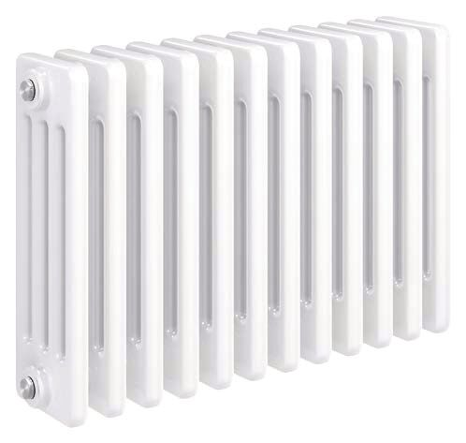  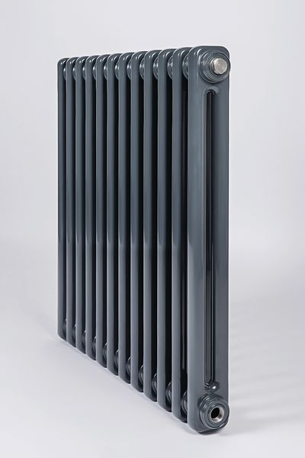
230905 | * CRAD 2 COLUMN HOR - 450 X 800 | £193.95
230906 | * CRAD 2 COLUMN HOR - 450 X 1000 | £238.72
230907 | * CRAD 2 COLUMN HOR - 450 X 1200 | £283.46
230908 | * CRAD 2 COLUMN HOR - 600 X 600 | £164.12
230909 | * CRAD 2 COLUMN HOR - 600 X 800 | £208.38
230910 | * CRAD 2 COLUMN HOR - 600 X 1000 | £253.63
230911 | * CRAD 2 COLUMN HOR - 600 X 1200 | £298.37
230912 | * CRAD 2 COLUMN HOR - 600 X 1400 | £343.10
230913 | * CRAD 2 COLUMN VER - 2000 X 300 | £208.38
230914 | * CRAD 2 COLUMN VER - 2000 X 400 | £238.72
230915 | * CRAD 2 COLUMN VER - 2000 X 500 | £268.56
230916 | * CRAD 3 COLUMN HOR - 300 X 800 | £175.91
230917 | * CRAD 3 COLUMN HOR - 300 X 1000 | £246.18
230918 | * CRAD 3 COLUMN HOR - 450 X 600 | £164.12
230919 | * CRAD 3 COLUMN HOR - 450 X 800 | £208.38
230920 | * CRAD 3 COLUMN HOR - 450 X 1000 | £261.09
230921 | * CRAD 3 COLUMN HOR - 450 X 1200 | £328.23
230922 | * CRAD 3 COLUMN HOR - 600 X 600 | £178.99
230923 | * CRAD 3 COLUMN HOR - 600 X 800 | £223.78
230924 | * CRAD 3 COLUMN HOR - 600 X 1000 | £275.99
230925 | * CRAD 3 COLUMN HOR - 600 X 1200 | £328.23
230926 | * CRAD 3 COLUMN HOR - 600 X 1400 | £387.88
230928 | * CRAD 3 COLUMN VER - 2000 X 400 | £268.56
230929 | * CRAD 3 COLUMN VER - 2000 X 500 | £298.37
230931 | * CRAD 4 COLUMN HOR - 300 X 1000 | £283.46
230932 | * CRAD 4 COLUMN HOR - 600 X 600 | £193.95
230933 | * CRAD 4 COLUMN HOR - 600 X 800 | £253.63
230934 | * CRAD 4 COLUMN HOR - 600 X 1000 | £313.31
230935 | * CRAD 4 COLUMN HOR - 600 X 1200 | £372.94
230936 | * CRAD 2 COLUMN 600 X 1000 ANTH HOR | £304.35
230937 | * CRAD 2 COLUMN 600 X 1200 ANTH HOR | £358.06
230938 | * CRAD 2 COLUMN 2000 X 400 ANTH VER | £287.72
230939 | * CRAD 3 COLUMN 600 X 1000 ANTH HOR | £331.18
230940 | * CRAD 3 COLUMN 600 X 1200 ANTH HOR | £393.85
230941 | * CRAD 3 COLUMN 2000 X 400 ANTH VER | £322.26
New Nabis Towel Rails - Various Colours |  | Price | See www.wolseley.co.uk for all images and colours
206677 | Nabis straight TW 25mm 800 x 400mm Anthracite | £64.97
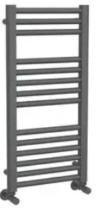
206678 | Nabis straight TW 25mm 800 x 400mm Cappuccino | £64.97
206679 | Nabis straight TW 25mm 800 x 400mm Espresso | £64.97
206680 | Nabis straight TW 25mm 800 x 400mm Grey Sparkle | £64.97
206681 | Nabis straight TW 25mm 800 x 400mm Matt Black | £64.97
206682 | Nabis straight TW 25mm 800 x 400mm Moss Green | £64.97
206683 | Nabis straight TW 25mm 800 x 400mm Steel Blue | £64.97
206684 | Nabis straight TW 25mm 800 x 400mm White Sparkle | £64.97
206685 | Nabis straight TW 25mm 800 x 500mm Anthracite | £70.15
206686 | Nabis straight TW 25mm 800 x 500mm Cappuccino | £70.15
206687 | Nabis straight TW 25mm 800 x 500mm Espresso | £70.15
206688 | Nabis straight TW 25mm 800 x 500mm Grey Sparkle | £70.15
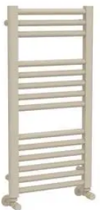
206689 | Nabis straight TW 25mm 800 x 500mm Matt Black | £70.15
206690 | Nabis straight TW 25mm 800 x 500mm Moss Green | £70.15
206691 | Nabis straight TW 25mm 800 x 500mm Steel Blue | £70.15
206692 | Nabis straight TW 25mm 800 x 500mm White Sparkle | £70.15
206693 | Nabis straight TW 25mm 1200 x 500mm Anthracite | £93.17
206694 | Nabis straight TW 25mm 1200 x 500mm Cappuccino | £93.17
206695 | Nabis straight TW 25mm 1200 x 500mm Espresso | £93.17
206696 | Nabis straight TW 25mm 1200 x 500mm Grey Sparkle | £93.17
206697 | Nabis straight TW 25mm 1200 x 500mm Matt Black | £93.17
206698 | Nabis straight TW 25mm 1200 x 500mm Moss Green | £93.17
206699 | Nabis straight TW 25mm 1200 x 500mm Steel Blue | £93.17
206700 | Nabis straight TW 25mm 1200 x 500mm White Sparkle | £93.17
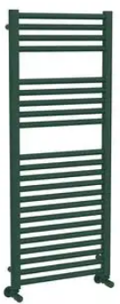
206701 | Nabis straight TW 25mm 1200 x 600mm Anthracite | £102.17
206702 | Nabis straight TW 25mm 1200 x 600mm Cappuccino | £102.17
206703 | Nabis straight TW 25mm 1200 x 600mm Espresso | £102.17
206704 | Nabis straight TW 25mm 1200 x 600mm Grey Sparkle | £102.17
206705 | Nabis straight TW 25mm 1200 x 600mm Matt Black | £102.17
206706 | Nabis straight TW 25mm 1200 x 600mm Moss Green | £102.17
206707 | Nabis straight TW 25mm 1200 x 600mm Steel Blue | £102.17
206708 | Nabis straight TW 25mm 1200 x 600mm White Sparkle | £102.17
206709 | Nabis straight TW 25mm 1800 x 500mm Anthracite | £128.27
206710 | Nabis straight TW 25mm 1800 x 500mm Cappuccino | £128.27
206711 | Nabis straight TW 25mm 1800 x 500mm Espresso | £128.27
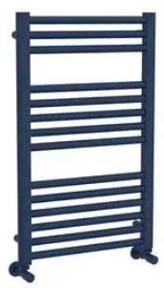
206712 | Nabis straight TW 25mm 1800 x 500mm Grey Sparkle | £128.27
206713 | Nabis straight TW 25mm 1800 x 500mm Matt Black | £128.27
206714 | Nabis straight TW 25mm 1800 x 500mm Moss Green | £128.27
206715 | Nabis straight TW 25mm 1800 x 500mm Steel Blue | £128.27
206716 | Nabis straight TW 25mm 1800 x 500mm White Sparkle | £128.27
206717 | Nabis straight TW 25mm 800 x 400mm Chrome | £54.91
206718 | Nabis straight TW 25mm 800 x 500mm Chrome | £59.64
206719 | Nabis straight TW 25mm 1200 x 500mm Chrome | £85.78
206720 | Nabis straight TW 25mm 1200 x 600mm Chrome | £94.84
206721 | Nabis straight TW 25mm 1500 x 500mm Chrome | £108.52
206722 | Nabis straight TW 25mm 1500 x 500mm Chrome | £120.44
206723 | Nabis straight TW 25mm 1800 x 500mm Chrome | £124.41
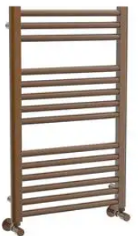
206724 | Nabis straight TW 25mm 1800 x 600mm Chrome | £138.01
206725 | Nabis straight TW 25mm 800 x 500mm Brushed Brass | £101.74
206726 | Nabis straight TW 25mm 800 x 500mm Gun Metal | £101.74
206727 | Nabis straight TW 25mm 800 x 500mm Satin Brushed Nickel | £101.74
206728 | Nabis straight TW 25mm 800 x 500mm Brushed Bronze | £101.74
206729 | Nabis straight TW 25mm 1200 x 500mm Brushed Brass | £149.18
206730 | Nabis straight TW 25mm 1200 x 500mm Gun Metal | £149.18
206731 | Nabis straight TW 25mm 1200 x 500mm Satin Brushed Nickel | £149.18
206732 | Nabis straight TW 25mm 1200 x 500mm Brushed Bronze | £149.18
206733 | Nabis straight TW 25mm 1800 x 500mm Brushed Brass | £218.98
206734 | Nabis straight TW 25mm 1800 x 500mm Gun Metal | £218.98
206735 | Nabis straight TW 25mm 1800 x 500mm Satin Brushed Nickel | £218.98
206736 | Nabis straight TW 25mm 1800 x 500mm Brushed Bronze | £218.98
Kartell Towel Rails - Chrome |  | Price | Image
B60114 | @ KARTELL STR TOWEL RAIL 300X800MM CHR | £38.60 | 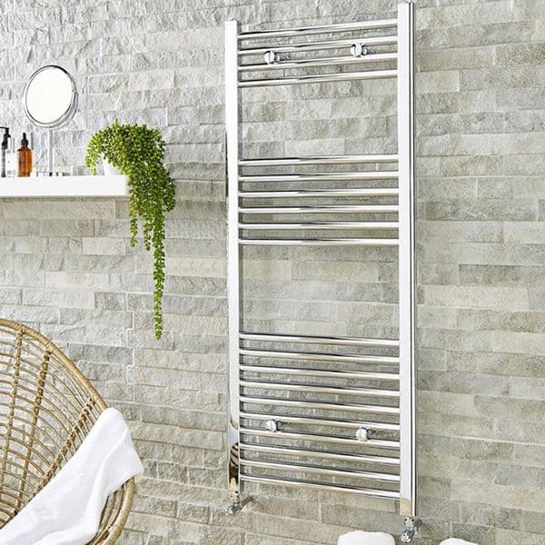 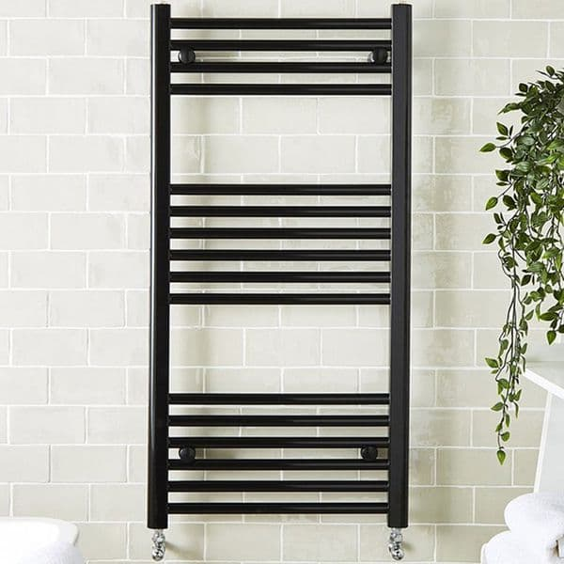
B60115 | @ KARTELL STR TOWEL RAIL 400X800MM CHR | £35.45
B60116 | @ KARTELL STR TOWEL RAIL 500X800MM CHR | £42.63
B60117 | @ KARTELL STR TOWEL RAIL 600X800MM CHR | £46.71
B60118 | @ KARTELL STR TOWEL RAIL 400X1000MM CHR | £50.36
B60119 | @ KARTELL STR TOWEL RAIL 500X1000MM CHR | £50.83
B60120 | @ KARTELL STR TOWEL RAIL 600X1000MM CHR | £55.80
B60121 | @ KARTELL STR TOWEL RAIL 400X1200MM CHR | £56.15
B60122 | @ KARTELL STR TOWEL RAIL 500X1200MM CHR | £55.83
B60123 | @ KARTELL STR TOWEL RAIL 600X1200MM CHR | £65.60
B60124 | @ KARTELL STR TOWEL RAIL 400X1600MM CHR | £70.00
B60125 | @ KARTELL STR TOWEL RAIL 500X1600MM CHR | £75.33
B60126 | @ KARTELL STR TOWEL RAIL 600X1600MM CHR | £80.20
B60127 | @ KARTELL STR TOWEL RAIL 500X1800MM CHR | £86.78
B60128 | @ KARTELL STR TOWEL RAIL 600X1800MM CHR | £95.96
Kartell Towel Rails - Black |  | Price
B60129 | @ KARTELL 22 STR TOWELRAIL 500X800MM BL | £35.83
B60130 | @ KARTELL 22 STR TOWEL RAIL 600X800MM BL | £39.16
B60131 | @ KARTELL 22 STR TOWELRAIL 500X1200MM BL | £42.50
B60132 | @ KARTELL 22 STR TOWELRAIL 600X1200MM BL | £45.83
B60133 | @ KARTELL 22 STR TOWELRAIL 500X1600MM BL | £55.00
B60134 | @ KARTELL 22 STR TOWELRAIL 600X1600MM BL | £58.33
CenterRail Towel Rails |  | Price | Image
219466 | * CRAL 862X400 STRAIGHT CHROME | £58.75 | 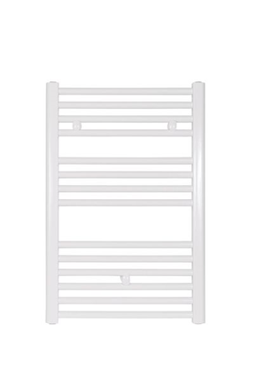 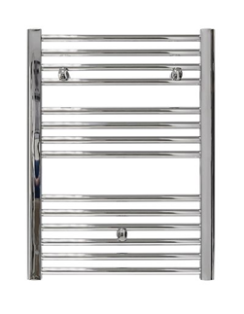
219467 | * CRAL 1222X400 STRAIGHT CHROME | £87.94
219469 | * CRAL 862X450 STRGHT WHITE 1232B | £38.04
219470 | * CRAL 862X500 STRGHT WHITE 1344B | £39.76
219471 | * CRAL 862X600 STRGHT WHITE 1570B | £43.66
219472 | * CRAL 1222X500 STRGHT WHITE 1877B | £57.39
219473 | * CRAL 1222X600 STRGHT WHITE 2187B | £63.56
219474 | * CRAL 1807X500 STRGHT WHITE 2808B | £83.10
219475 | * CRAL 1807X600 STRGHT WHITE 3272B | £92.16
219476 | * CRAL 862X450 STRGHT CHROME 812B | £59.80
219477 | * CRAL 862X500 STRGHT CHROME 901B | £62.18
219478 | * CRAL 862X600 STRGHT CHROME 1078B | £68.05
219479 | * CRAL 1222X500 STRGHT CHROM 1341B | £90.46
219480 | * CRAL 1222X600 STRGHT CHROM 1580B | £98.20
219481 | * CRAL 1807X500 STRGHT CHROM 1849B | £127.48
219482 | * CRAL 1807X600 STRGHT CHROM 2156B | £140.75
219483 | * CRAL 862X500 CURVED CHROME 901B | £65.28
219485 | * CRAL 1222X500 CURVED CHROM 1341B | £93.95
219486 | * CRAL 1222X600 CURVED CHROM 1580B | £104.21
219487 | * CRAL 1807X500 CURVED CHROM 1849B | £131.58
219488 | * CRAL 1807X600 CURVED CHROM 2156B | £148.48
New Center Electric Only Towel Rails - Various Colours |  | Price | Image
206737 | Center electric 22mm 800 x 500mm Chrome | £130.70
206738 | Center electric 22mm 1200 x 500mm Chrome | £149.70
206739 | Center electric 22mm 1200 x 600mm Chrome | £156.32
206740 | Center electric 22mm 1600 x 500mm Chrome | £168.68
206741 | Center electric 22mm 800 x 500mm Matt Black | £137.78
206742 | Center electric 22mm 1200 x 500mm Matt Black | £158.22
206743 | Center electric 22mm 1200 x 600mm Matt Black | £166.01
206744 | Center electric 22mm 1600 x 500mm Matt Black | £178.58
206745 | Center electric 22mm 800 x 500mm Brushed Brass | £159.20
206746 | Center electric 22mm 1200 x 500mm Brushed Brass | £188.85
206747 | Center electric 22mm 1600 x 500mm Brushed Brass | £219.97
CenterRail Electric Only Towel Rails |  | Price | Image
207088 | * CB ELEC STR WHI 1200X400 | £134.19 | 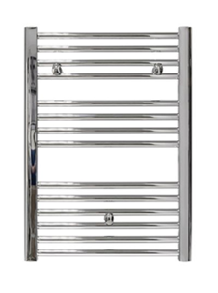
207089 | * CB ELEC STR WHI 1200X500 | £139.20
207090 | * CB ELEC STR WHI 1200X600 | £145.30
207092 | * CB ELEC STR WHI 1800X500 | £193.45
207093 | * CB ELEC STR WHI 1800X600 | £190.01
207095 | * CB ELEC STR CHR 800X500 | £142.95
207096 | * CB ELEC STR CHR 1200X400 | £160.20
207097 | * CB ELEC STR CHR 1200X500 | £163.17
207098 | * CB ELEC STR CHR 1200X600 | £177.92
207100 | * CB ELEC STR CHR 1800X500 | £207.27
207102 | * CB ELEC CUR CHR 800X500 | £149.15
207103 | * CB ELEC CUR CHR 800X600 | £156.00
207104 | * CB ELEC CUR CHR 1200X500 | £176.37
207105 | * CB ELEC CUR CHR 1200X600 | £186.49
Electric Elements for Dual Fuel Towel Rails - DO NOT USE IN ELECTRIC ONLY RAILS |  | Price | Image
262530 | * CB STANDARD ELEMENT 200W CHROME FINISH | £22.49 | 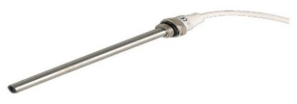
262531 | * CB STANDARD ELEMENT 400W CHROME FINISH | £23.99
262532 | * CB STANDARD ELEMENT 600W CHROME FINISH | £22.99
Nabis Designer Towel Rails |  | Price | Image
200391 | * NAB LOIS SQUARE 800MMX500MM CHROME | £201.88 | 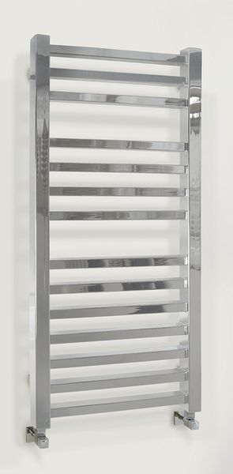
200392 | * NAB LOIS SQUARE 1200MMX500MM CHROME | £263.86
200393 | * NAB IMOGEN 1200MMX500MM CHROME | £243.59 | 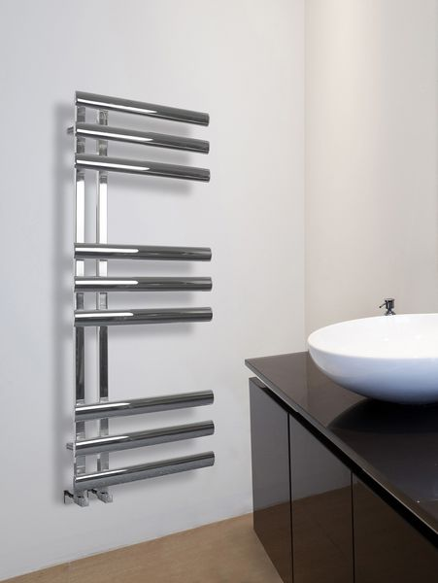
200395 | * NAB JULIET 828MM X 500MM CHROME | £184.17 | 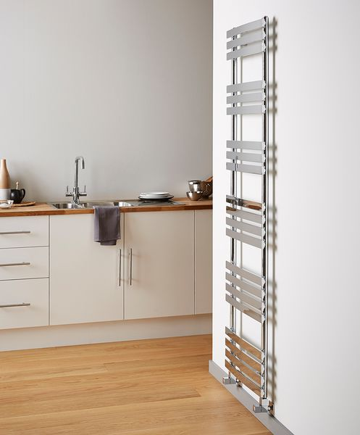
200396 | * NAB JULIET 1200MMX500MM CHROME | £231.99
200401 | * NAB KATHERINE FLOORSTAND 965MMX673MM | £299.27 | 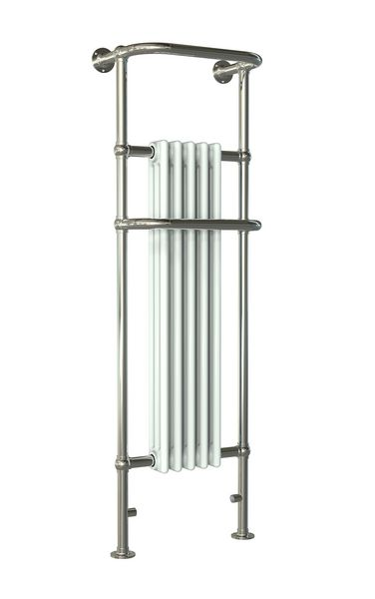
200402 | * NAB KATHERINE WALL MOUNT 740MMX675MM | £329.37 | 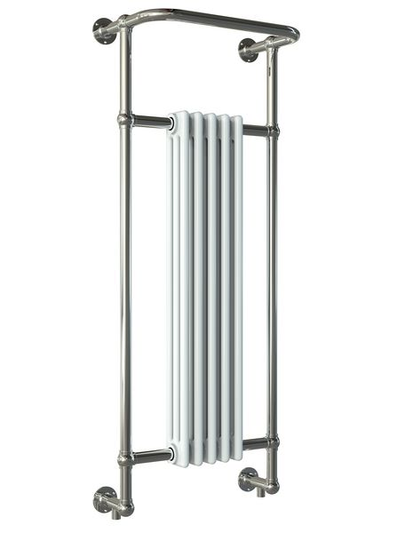
200407 | * NAB BESS 1200MM X 500MM | £143.45 | 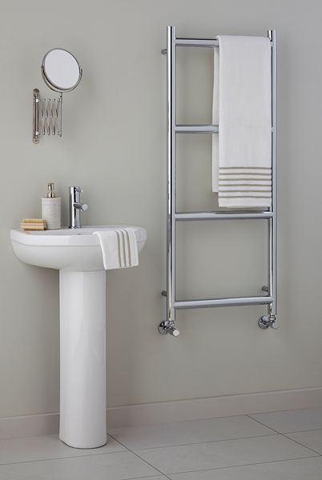
200410 | * NAB TILLY 1200MM X 500MM | £299.27 | 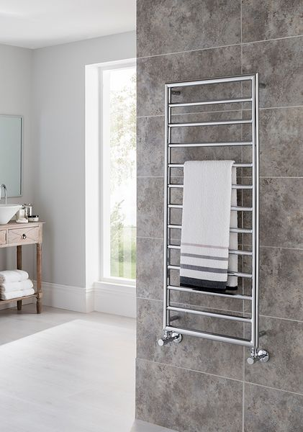
200411 | * NAB ANNA 1080MM X 500MM | £260.31 | 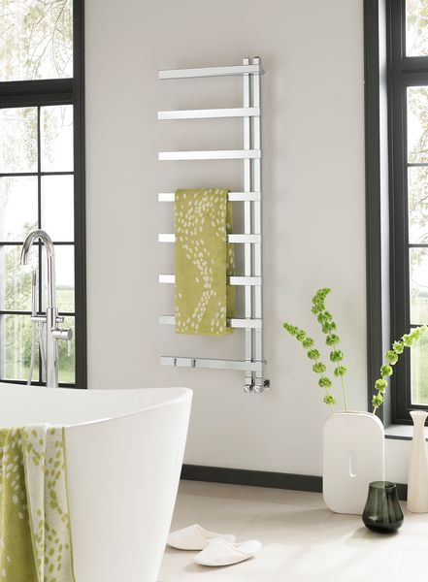
200412 | * NAB ANNA 1460MM X 500MM | £341.77
All prices correct at time of print and are subject to change. Prices Exclude VAT. Radiators should be sized correctly based on individual properties.

Cylinders
 |  |  | 
Category | Supplier Name | Product Code | Description | LNPG Price
Unvented Cylinder | OSO | 415082 | OSO DELTA COIL DC150 IND A RATED UV CYL | £867.85
Unvented Cylinder | OSO | 415084 | OSO DELTA COIL DC210 IND A RATED UV CYL | £992.84
Unvented Cylinder | OSO | 415094 | OSO DELTA POWERCYL DCF300 A RATED 28 CYL | £1,606.28
Unvented Cylinder | OSO | 415092 | OSO DELTA DGC300 A RATED HEATPUMP CYL | £1,260.59
Unvented Cylinder | OSO | 471270 | OSO 150L S2C SEMI PRE-PLUMBED INDIRECT CYL | £638.15
Unvented Cylinder | OSO | 471271 | OSO 180L S2C SEMI PRE-PLUMBED INDIRECT CYL | £673.21
Unvented Cylinder | OSO | 471272 | OSO 210L S2C SEMI PRE-PLUMBED INDIRECT CYL | £708.27
Unvented Cylinder | OSO | 471273 | OSO 250L S2C SEMI PRE-PLUMBED INDIRECT CYL | £753.85
Unvented Cylinder | OSO | 471274 | OSO 300L S2C SEMI PRE-PLUMBED INDIRECT CYL | £771.39
Unvented Cylinder | OSO | 471264 | OSO 120L S2X PRE-PLUMBED DIRECT CYLINDER | £554.02
Unvented Cylinder | OSO | 471265 | OSO 150L S2X PRE-PLUMBED DIRECT CYLINDER | £593.09
Unvented Cylinder | OSO | 471266 | OSO 180L S2X PRE-PLUMBED DIRECT CYLINDER | £616.13
Unvented Cylinder | OSO | 471267 | OSO 210L S2X PRE-PLUMBED DIRECT CYLINDER | £644.03
Unvented Cylinder | OSO | 471268 | OSO 250L S2X PRE-PLUMBED DIRECT CYLINDER | £658.68
Unvented Cylinder | OSO | 471269 | OSO 300L S2X PRE-PLUMBED DIRECT CYLINDER | £747.31
Accumulator | OSO | 415096 | OSO SUPERSTREAM ACCUMULATOR 130 | £514.52
Accumulator | OSO | 411419 | OSO SUPERSTREAM ACCUMULATOR 250 | £716.18
Accumulator | OSO | 415965 | OSO ACCUMULATOR SUPERSTREAM 350 | £963.89
Accumulator | OSO | 415966 | OSO ACCUMULATOR SUPERSTREAM 450 | £1,174.39
Unvented Cylinder | Baxi / Heatrae-Sadia Heating | 176701 | CENTERSTORE 120 INDIRECT UNVENTED CYLINDER | £447.89
Unvented Cylinder | Baxi / Heatrae-Sadia Heating | 176702 | CENTERSTORE 150 INDIRECT UNVENTED CYLINDER | £474.99
Unvented Cylinder | Baxi / Heatrae-Sadia Heating | 176703 | CENTERSTORE 170 INDIRECT UNVENTED CYLINDER | £492.45
Unvented Cylinder | Baxi / Heatrae-Sadia Heating | 176704 | CENTERSTORE 210 INDIRECT UNVENTED CYLINDER | £537.43
Unvented Cylinder | Baxi / Heatrae-Sadia Heating | 176705 | CENTERSTORE 250 INDIRECT UNVENTED CYLINDER | £617.41
Unvented Cylinder | Baxi / Heatrae-Sadia Heating | 176706 | CENTERSTORE 300 INDIRECT UNVENTED CYLINDER | £654.17
Unvented Cylinder | UK Cylinders Limited | 174771 | CENTERSTORE 170 INDIRECT SOLAR UNVENTED CYL | £612.52
Unvented Cylinder | UK Cylinders Limited | 174772 | CENTERSTORE 200 INDIRECT SOLAR UNVENTED CYL | £640.79
Unvented Cylinder | UK Cylinders Limited | 174773 | CENTERSTORE 250 INDIRECT SOLAR UNVENTED CYL | £710.88
Unvented Cylinder | UK Cylinders Limited | 174774 | CENTERSTORE 300 INDIRECT SOLAR UNVENTED CYL | £779.41
Unvented Cylinder | UK Cylinders Limited | 174775 | CENTERSTORE AIR 120L INDIRECT UNVENTED CYL | £556.49
Unvented Cylinder | UK Cylinders Limited | 174776 | CENTERSTORE AIR 150L INDIRECT UNVENTED CYL | £580.49
Unvented Cylinder | UK Cylinders Limited | 174778 | CENTERSTORE AIR 200L INDIRECT UNVENTED CYL | £625.08
Unvented Cylinder | UK Cylinders Limited | 174779 | CENTERSTORE AIR 250L INDIRECT UNVENTED CYL | £699.89
Unvented Cylinder | UK Cylinders Limited | 174780 | CENTERSTORE AIR 300L INDIRECT UNVENTED CYL | £761.38
Unvented Cylinder | UK Cylinders Limited | 174781 | CENTERSTORE AIR 120L DIRECT UNVENTED CYL | £484.78
Unvented Cylinder | UK Cylinders Limited | 174782 | CENTERSTORE AIR 150L DIRECT UNVENTED CYL | £516.14
Unvented Cylinder | UK Cylinders Limited | 174784 | CENTERSTORE AIR 200L DIRECT UNVENTED CYL | £560.56
Unvented Cylinder | UK Cylinders Limited | 174785 | CENTERSTORE AIR 250L DIRECT UNVENTED CYL | £588.07
Unvented Cylinder | UK Cylinders Limited | 174786 | CENTERSTORE AIR 300L DIRECT UNVENTED CYL | £620.70
Unvented Cylinder | UK Cylinders Limited | 174787 | CENTERSTORE SLIM 120L INDIRECT UNVENTED CYL | £517.39
Unvented Cylinder | UK Cylinders Limited | 174788 | CENTERSTORE SLIM 150L INDIRECT UNVENTED CYL | £537.75
Unvented Cylinder | UK Cylinders Limited | 174789 | CENTERSTORE SLIM 170L INDIRECT UNVENTED CYL | £552.40
Unvented Cylinder | UK Cylinders Limited | 174790 | CENTERSTORE SLIM 200L INDIRECT UNVENTED CYL | £582.77
Unvented Cylinder | UK Cylinders Limited | 174791 | CENTERSTORE SLIM 120L DIRECT UNVENTED CYL | £442.98
Unvented Cylinder | UK Cylinders Limited | 174792 | CENTERSTORE SLIM 150L DIRECT UNVENTED CYL | £462.08
Unvented Cylinder | UK Cylinders Limited | 174793 | CENTERSTORE SLIM 170L DIRECT UNVENTED CYL | £487.16
Unvented Cylinder | UK Cylinders Limited | 174794 | CENTERSTORE SLIM 200L DIRECT UNVENTED CYL | £530.82
Unvented Cylinder | UK Cylinders Limited | 174795 | CSTORE AIR SLIM 120L INDIRECT UNVENTED CYL | £576.00
Unvented Cylinder | UK Cylinders Limited | 174796 | CSTORE AIR SLIM 150L INDIRECT UNVENTED CYL | £594.01
Unvented Cylinder | UK Cylinders Limited | 174797 | CSTORE AIR SLIM 170L INDIRECT UNVENTED CYL | £616.65
Unvented Cylinder | UK Cylinders Limited | 174798 | CSTORE AIR SLIM 200L INDIRECT UNVENTED CYL | £632.17
Unvented Cylinder | UK Cylinders Limited | 174767 | CENTERSTORE 120 DIRECT UNVENTED CYL | £371.05
Unvented Cylinder | UK Cylinders Limited | 174768 | CENTERSTORE 150 DIRECT UNVENTED CYL | £395.77
Unvented Cylinder | UK Cylinders Limited | 174770 | CENTERSTORE 200 DIRECT UNVENTED CYL | £440.46
Unvented Cylinder | UK Cylinders Limited | 175006 | NEW PROLITE 120L SS INDIRECT CYLINDER | £441.37
Unvented Cylinder | UK Cylinders Limited | 175007 | NEW PROLITE 150L SS INDIRECT CYLINDER | £461.73
Unvented Cylinder | UK Cylinders Limited | 175008 | NEW PROLITE 170L SS INDIRECT CYLINDER | £480.41
Unvented Cylinder | UK Cylinders Limited | 175009 | NEW PROLITE 200L SS INDIRECT CYLINDER | £490.59
Unvented Cylinder | UK Cylinders Limited | 175010 | NEW PROLITE 250L SS INDIRECT CYLINDER | £577.16
Unvented Cylinder | UK Cylinders Limited | 175011 | NEW PROLITE 300L SS INDIRECT CYLINDER | £628.10
Unvented Cylinder | UK Cylinders Limited | 175012 | NEW PROLITE 120L SS DIRECT CYLINDER | £364.97
Unvented Cylinder | UK Cylinders Limited | 175013 | NEW PROLITE 150L SS DIRECT CYLINDER | £390.43
Unvented Cylinder | UK Cylinders Limited | 175015 | NEW PROLITE 200L SS DIRECT CYLINDER | £448.16
Unvented Cylinder | UK Cylinders Limited | 175017 | PROLITE HORIZONTAL INDIRECT UNV 150L CYL | £627.21
Unvented Cylinder | UK Cylinders Limited | 175018 | PROLITE HORIZONTAL INDIRECT UNV 170L CYL | £642.78
Unvented Cylinder | UK Cylinders Limited | 175019 | PROLITE HORIZONTAL INDIRECT UNV 200L CYL | £685.00
Unvented Cylinder | UK Cylinders Limited | 175020 | PROLITE HORIZONTAL INDIRECT UNV 250L CYL | £787.08
Unvented Cylinder | UK Cylinders Limited | 175021 | PROLITE HORIZONTAL INDIRECT UNV 300L CYL | £816.24
Unvented Cylinder | UK Cylinders Limited | 175022 | PROLITE HEATPUMP UNVENTED 120L CYL | £675.12
Unvented Cylinder | UK Cylinders Limited | 175023 | PROLITE HEATPUMP UNVENTED 150L CYL | £702.05
Unvented Cylinder | UK Cylinders Limited | 175024 | PROLITE HEATPUMP UNVENTED 170L CYL | £766.27
Unvented Cylinder | UK Cylinders Limited | 175025 | PROLITE HEATPUMP UNVENTED 200L CYL | £808.11
Unvented Cylinder | UK Cylinders Limited | 175026 | PROLITE HEATPUMP UNVENTED 250L CYL | £835.89
Unvented Cylinder | UK Cylinders Limited | 175027 | PROLITE HEATPUMP UNVENTED 300L CYL | £869.09
Unvented Cylinder | UK Cylinders Limited | 175028 | PROLITE HEATPUMP SLIMLINE UNV 150L CYL | £807.86
Unvented Cylinder | UK Cylinders Limited | 175029 | PROLITE HEATPUMP SLIMLINE UNV 170L CYL | £869.72
Unvented Cylinder | Telford Cylinders | 515031 | TELFORD HURRICANE DIRECT UNV 90L | £299.11
Unvented Cylinder | Telford Cylinders | 515033 | TELFORD HURRICANE DIRECT UNV 150L | £351.34
Unvented Cylinder | Telford Cylinders | 515035 | TELFORD HURRICANE DIRECT UNV 200L | £428.18
Unvented Cylinder | Telford Cylinders | 515036 | TELFORD HURRICANE DIRECT UNV 250L | £484.41
Unvented Cylinder | Telford Cylinders | 515037 | TELFORD HURRICANE DIRECT UNV 300L | £522.06
Unvented Cylinder | Telford Cylinders | 515039 | TELFORD HURRICANE INDIRECT UNV 125L | £458.46
Unvented Cylinder | Telford Cylinders | 515040 | TELFORD HURRICANE INDIRECT UNV 150L | £424.33
Unvented Cylinder | Telford Cylinders | 515041 | TELFORD HURRICANE INDIRECT UNV 170L | £474.15
Unvented Cylinder | Telford Cylinders | 515042 | TELFORD HURRICANE INDIRECT UNV 200L | £502.17
Unvented Cylinder | Telford Cylinders | 515043 | TELFORD HURRICANE INDIRECT UNV 250L | £546.98
Unvented Cylinder | Telford Cylinders | 515044 | TELFORD HURRICANE INDIRECT UNV 300L | £581.43
Unvented Cylinder | Telford Cylinders | 515075 | TELFORD TEMPEST 400L INDIRECT STAINLESS UNVENTED | £1,003.15
Unvented Cylinder | Telford Cylinders | 515076 | TELFORD TEMPEST 500L INDIRECT STAINLESS UNVENTED | £1,164.77
Unvented Cylinder | Baxi / Heatrae-Sadia Heating | 150953 | BAXI ASSURE INDIRECT CYLINDER 145I | £745.30
Unvented Cylinder | Baxi / Heatrae-Sadia Heating | 150954 | BAXI ASSURE INDIRECT CYLINDER 170I | £764.81
Unvented Cylinder | Baxi / Heatrae-Sadia Heating | 150955 | BAXI ASSURE INDIRECT CYLINDER 210I | £785.35
Unvented Cylinder | Baxi / Heatrae-Sadia Heating | 150956 | BAXI ASSURE INDIRECT CYLINDER 250I | £820.27
Unvented Cylinder | Baxi / Heatrae-Sadia Heating | 150957 | BAXI ASSURE INDIRECT CYLINDER 300I | £861.35
Unvented Cylinder | Baxi / Heatrae-Sadia Heating | 150938 | BAXI ASSURE DIRECT CYLINDER 70D | £566.61
Unvented Cylinder | Baxi / Heatrae-Sadia Heating | 150939 | BAXI ASSURE DIRECT CYLINDER 125DD | £643.63
Unvented Cylinder | Baxi / Heatrae-Sadia Heating | 150940 | BAXI ASSURE DIRECT CYLINDER 145DD | £655.95
Unvented Cylinder | Baxi / Heatrae-Sadia Heating | 150941 | BAXI ASSURE DIRECT CYLINDER 170DD | £675.46
Unvented Cylinder | Baxi / Heatrae-Sadia Heating | 150945 | BAXI ASSURE DIRECT CYLINDER 210DDD | £739.14
Unvented Cylinder | Baxi / Heatrae-Sadia Heating | 150942 | BAXI ASSURE DIRECT CYLINDER 210DD | £689.85
Unvented Cylinder | Baxi / Heatrae-Sadia Heating | 150948 | BAXI ASSURE DIRECT CYLINDER 250DDDD | £813.09
Unvented Cylinder | Baxi / Heatrae-Sadia Heating | 150949 | BAXI ASSURE DIRECT CYLINDER 300DDD | £805.89
Unvented Cylinder | Baxi / Heatrae-Sadia Heating | 150950 | BAXI ASSURE DIRECT CYLINDER 300DDDD | £854.17

Fires & Stoves
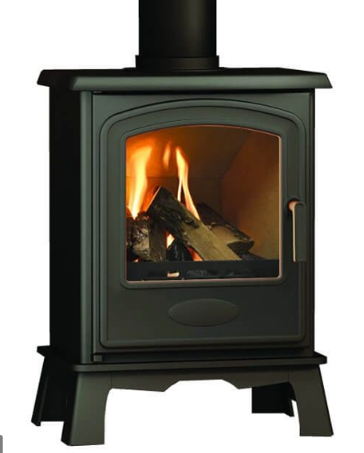 |  | 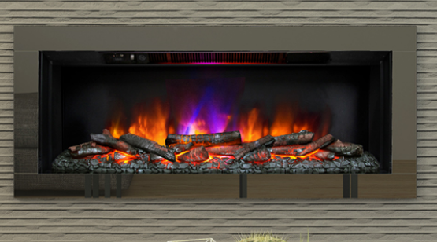
Category | Product Code | Description | LNPG Price | Supplier Part No.
Electric Wall Mounted | 137458 | 38" AMARI FREESTANDING 2KW ELECTRIC FIRE - BLACK GLASS | £285.32 | 148768
Electric Wall Mounted | 137919 | 45" AVELLA GRANDE ELEC FIRE- 4 SIDE MATT BLACK TRIM | £388.84 | 19348
Electric Inset | 137804 | BANBURY 2KW ELECTRIC INSET STOVE | £265.19 | 133744
Electric Inset | 136907 | ASPEN ELECTRIC FIRE CHROME C/W SPACER FRAME | £226.82 | 128805

Surrounds - Micro marble with back panel and hearth | 150769 | BM 1150MM ISABELLE SURROUND MANILA |  | 7404
Surrounds - Micro marble with back panel and hearth | 137922 | LED DOWN LIGHTS WITH SENSOR | £56.23 | 3115

 |  | 42" Barrowden Inglenook Complete (3 box Item)
Timber Electric Suite - Fire and surround | 430732 | COLMAN 1.8KW ELECTRIC STOVE MT-BLK W LOG BED | £146.72 | 19356

Stoves | 430729 | BROSELEY HEREFORD 5 ELECTRIC STOVE C/W REMOTE | £614.05 | 00216X

Stoves | 430735 | HEREFORD 5 WIDESCREEN MULTIFUEL STOVE MBLK | £795.63 | 26972
Stoves | 131285 | BE MODERN M-IGNITE5 5 WIDESCREEN | £552.29 | 26921
Stoves | 131286 | BE MODERN M-DESIRE5/ WIDESCREEN | £520.73 | 26913
Stoves | 430732 | COLMAN 1.8KW ELECTRIC STOVE MT-BLK W LOG BED | £146.72 | 19356

Speedfit
 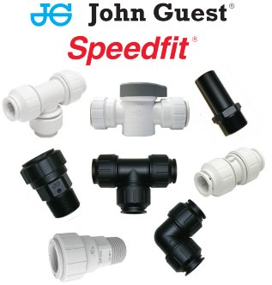 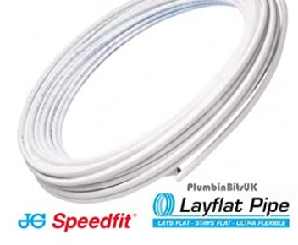
CONTRACT PRICES ARE SET ON ALL SPEEDFIT PRODUCTS AND RANGES, NOT JUST THE PRODUCTS SHOWN BELOW. SPEAK TO YOUR WOLSELEY CONTACTS FOR MORE INFORMATION. SOME ITEMS ARE CHEAPER BOUGHT IN PACKS OF 10'S OR 50'S
Category | Product Code | Description | LNPG Price
Plastic Plumbing | 581387 | SPEEDFIT 25M COIL LAYFLAT PB PIPE 15 | £41.35
Plastic Plumbing | 581391 | SPEEDFIT 50M COIL LAYFLAT PB PIPE 22 | £165.91
Plastic Plumbing | 581392 | SPEEDFIT 50M COIL LAYFLAT PB PIPE 15 | £77.55
Plastic Plumbing | 581393 | SPEEDFIT 25M COIL LAYFLAT PB PIPE 22 | £78.80
Plastic Plumbing | 581415 | SPEEDFIT 50M COIL LAYFLAT PB PIPE 10 | £71.75
Plastic Plumbing | 581436 | SPEEDFIT 25M COIL LAYFLAT PB PIPE 10 | £39.45
Plastic Plumbing | 581437 | SPEEDFIT 50M COIL LAYFLAT PB PIPE 28 | £235.95
Plastic Plumbing | 517499 | SPEEDFIT 10MM X 25M BARRIER PIPE COIL | £32.53
Plastic Plumbing | 517500 | SPEEDFIT 10MM X 50M BARRIER PIPE COIL | £64.11
Plastic Plumbing | 517502 | SPEEDFIT 15MM X 25M BARRIER PIPE COIL | £34.39
Plastic Plumbing | 517503 | SPEEDFIT 15MM X 50M BARRIER PIPE COIL | £68.43
Plastic Plumbing | 517505 | SPEEDFIT 22MM X 25M BARRIER PIPE COIL | £72.63
Plastic Plumbing | 517506 | SPEEDFIT 22MM X 50M BARRIER PIPE COIL | £145.25
Plastic Plumbing | 517508 | SPEEDFIT 15MM X 150M BARRIER PIPE COIL | £222.16
Plastic Plumbing | 517509 | SPEEDFIT 15MM X 120M BARRIER PIPE COIL | £178.01
Plastic Plumbing | 517510 | SPEEDFIT 15MM X 2M BARRIER PIPE LENGTH | £2.96
Plastic Plumbing | 517511 | SPEEDFIT 15MM X 3M BARRIER PIPE LENGTH | £4.28
Plastic Plumbing | 517512 | SPEEDFIT 15MM X 6M BARRIER PIPE LENGTH | £8.54
Plastic Plumbing | 517513 | SPEEDFIT 22MM X 2M BARRIER PIPE LENGTH | £5.82
Plastic Plumbing | 517514 | SPEEDFIT 22MM X 3M BARRIER PIPE LENGTH | £7.75
Plastic Plumbing | 517515 | SPEEDFIT 22MM X 6M BARRIER PIPE LENGTH | £16.77
Plastic Plumbing | 517516 | SPEEDFIT 28MM X 3M BARRIER PIPE LENGTH | £11.50
Plastic Plumbing | 517517 | SPEEDFIT 28MM X 6M BARRIER PIPE LENGTH | £23.93
Plastic Plumbing | 517701 | SPEEDFIT 10MM STOP END PSE4610W | £2.00
Plastic Plumbing | 515702 | SPEEDFIT 15MM STOP END PSE4615W | £1.91
Plastic Plumbing | 515703 | SPEEDFIT 22MM STOP END PSE4622W | £2.31
Plastic Plumbing | 581362 | JG SPEEDFIT 28MM STOP END | £3.78
Plastic Plumbing | 517520 | SPEEDFIT 10MM STR CONNECTOR PEM0410W | £2.06
Plastic Plumbing | 517521 | SPEEDFIT 15MM STR CONNECTOR PEM0415W | £1.41
Plastic Plumbing | 517523 | SPEEDFIT 22MM STR CONNECTOR PEM0422W | £2.23
Plastic Plumbing | 517525 | SPEEDFIT 28MM STR CONNECTOR PEM0428W | £6.00
Plastic Plumbing | 517530 | SPEEDFIT 10MM ELBOW PEM0310W | £2.52
Plastic Plumbing | 517531 | SPEEDFIT 15MM ELBOW PEM0315W | £1.68
Plastic Plumbing | 517533 | SPEEDFIT 22MM ELBOW PEM0322W | £2.68
Plastic Plumbing | 517535 | SPEEDFIT 28MM ELBOW PEM0328W | £7.00
Plastic Plumbing | 517536 | SPEEDFIT 22MM X 15MM ELBOW PEM212215W | £4.19
Plastic Plumbing | 517540 | SPEEDFIT 10MM STEM ELBOW PEM221010W | £3.13
Plastic Plumbing | 517541 | SPEEDFIT 15MM STEM ELBOW PEM221515W | £3.53
Plastic Plumbing | 517542 | SPEEDFIT 22MM STEM ELBOW PEM222222W | £5.31
Plastic Plumbing | 517545 | SPEEDFIT 10MM EQUAL TEE PEM0210W | £2.90
Plastic Plumbing | 517546 | SPEEDFIT 15MM EQUAL TEE PEM0215W | £2.43
Plastic Plumbing | 517548 | SPEEDFIT 22MM EQUAL TEE PEM0222W | £3.60
Plastic Plumbing | 517550 | SPEEDFIT 28MM EQUAL TEE PEM0228W | £9.89
Plastic Plumbing | 517554 | SPEEDFIT 15MM X 10MM X 10MM REDUCING TEE | £4.53
Plastic Plumbing | 517555 | SPEEDFIT 15MM X 15MM X 10MM REDUCING TEE | £3.89
Plastic Plumbing | 517556 | SPEEDFIT 22MM X 22MM X 10MM REDUCING TEE | £4.34
Plastic Plumbing | 517557 | SPEEDFIT 22MM X 22MM X 15MM REDUCING TEE | £4.34
Plastic Plumbing | 517558 | SPEEDFIT 22MM X 15MM X 15MM REDUCING TEE | £4.34
Plastic Plumbing | 517559 | SPEEDFIT 15MM X 15MM X 22MM REDUCING TEE | £4.53
Plastic Plumbing | 517560 | SPEEDFIT 22MM X 15MM X 22MM REDUCING TEE | £4.34
Plastic Plumbing | 581351 | SPEEDFIT 28MM X 28MM X 10MM REDUCING TEE | £11.36
Plastic Plumbing | 517561 | SPEEDFIT 28MM X 22MM X 22MM REDUCING TEE | £11.36
Plastic Plumbing | 517562 | SPEEDFIT 28MM X 28MM X 22MM REDUCING TEE | £11.36
Plastic Plumbing | 517563 | SPEEDFIT 28MM X 22MM X 28MM REDUCING TEE | £11.36
Plastic Plumbing | 517610 | SPEEDFIT REDUCER PEM061510W 15MM X 10MM | £1.73
Plastic Plumbing | 517611 | SPEEDFIT REDUCER PEM062215W 22MM X 15MM | £2.12
Plastic Plumbing | 517612 | SPEEDFIT REDUCER PEM062822W 28MM X 22MM | £5.07
Plastic Plumbing | 517613 | SPEEDFIT REDUCER PEM062815W 28MM X 15MM | £4.88
Plastic Plumbing | 517718 | SPEEDFIT 22 X 15MM REDUCING STR COUPLING | £4.19
Plastic Plumbing | 517720 | SPEEDFIT 10MM SUPERSEAL PIPE INSERT | £0.30
Plastic Plumbing | 517721 | SPEEDFIT 15MM SUPERSEAL PIPE INSERT | £0.28
Plastic Plumbing | 517722 | SPEEDFIT 22MM SUPERSEAL PIPE INSERT | £0.38
Plastic Plumbing | 517723 | SPEEDFIT 28MM SUPERSEAL PIPE INSERT | £0.68
Plastic Plumbing | 517640 | JG SPEEDFIT 15STV STOPCOCK 15 | £7.53
Plastic Plumbing | 517641 | JG SPEEDFIT 22STV STOPCOCK 22 | £11.45
Plastic Plumbing | 517642 | SPEEDFIT 15MM BRASS STOP VALVE 15BSC | £16.70
Plastic Plumbing | 517645 | SPEEDFIT 15MM X 3/4" WASHING MACHINE TAP | £5.20
Plastic Plumbing | 517650 | SPEEDFIT 15MM EMERGENCY SHUT OFF TAP | £5.49
Plastic Plumbing | 517655 | SPEEDFIT 15MM DOUBLE CHECK VALVE 15DCV | £10.72
Plastic Plumbing | 517656 | SPEEDFIT 15MM DOUBLE CHECK VALVE 15DCSV | £12.37
Plastic Plumbing | 517661 | SPEEDFIT 10MM CP SERVICE VALVE 10HSV | £10.70
Plastic Plumbing | 517662 | SPEEDFIT 15MM CP SERVICE VALVE 15HSV | £12.84
Plastic Plumbing | 517663 | SPEEDFIT 22MM CP SERVICE VALVE 22HSV | £28.80
Plastic Plumbing | 518020 | SPEEDFIT 15MM SERVICE VALVE | £5.83
Plastic Plumbing | 518021 | SPEEDFIT 15MM X 1/2 BSP SERVICE VALVE | £9.64
Plastic Plumbing | 517665 | SPEEDFIT 15MM DRAIN COCK 15BDC | £6.89
Plastic Plumbing | 517667 | SPEEDFIT 15MM SERVICE VLV 15HSV-BRASS | £9.47
Plastic Plumbing | 517740 | SPEEDFIT 22MMX10MM 4WAY MANIFOLD 512210S | £8.98
Plastic Plumbing | 517741 | SPEEDFIT 22MM X 10MM 4PORT RAIL MANIFOLD | £16.15
Plastic Plumbing | 517742 | SPEEDFIT 22MM X 15MM 4PORT RAIL MANIFOLD | £16.15
Plastic Plumbing | 517792 | SPEEDFIT RADIATOR OUTLET PLATE | £4.06

Bathrooms
 |  |  |  | 
Product Code | Description | Category | Supplier Name | LNPG Price
J12953 | GROHE DUAL FLUSH ADAGIO CONC CISTERN BOTTOM FILL+ INC BUTTON | Concealed cistern | GROHE | £45.58
J12954 | GROHE DUAL FLUSH ADAGIO CONC CISTERN SIDE FILL+ INC BUTTON | Concealed cistern | GROHE | £45.01
B55254 | GROHE RAPID 3-IN-1 SL WC 1.13M COSMO (FRAME INC PLATE) | WC Frame Inc F/plate | GROHE | £155.65
B55240 | GROHE RAPID 3-IN-1 SL WC 0.82M COSMO (FRAME INC PLATE) | WC Frame Inc F/plate | GROHE | £180.45
B24004 | * NAB DUAL FLUSH CABLE FLUSH VALVE | Cistern Spares | Wolseley (Nabis) | £10.99
B24008 | * NAB UNIVERSAL TELESCOPIC SYPHON | Cistern Spares | Wolseley (Nabis) | £11.72
B24010 | * NAB UNIVERSAL B/E FIXING PACK | Cistern Spares | Wolseley (Nabis) | £31.70
A03209 | * NAB TAYLOR 1700X850 LH P SHAPE SHOWER BATH | Baths, panels & screens | Wolseley (Nabis) | £157.66
A03210 | * NAB TAYLOR 1700X850 RH P SHAPE SHWR BATH | Baths, panels & screens | Wolseley (Nabis) | £157.66
A03211 | * NAB TAYLOR 1700 P SHAPE SHOWER BATH FRONT PANEL | Baths, panels & screens | Wolseley (Nabis) | £45.52
A03214 | * NAB TAYLOR 1500 P SHAPE SHOWER BATH FRONT PANEL | Baths, panels & screens | Wolseley (Nabis) | £44.22
A03215 | * NAB TAYLOR 750 P SHAPE SHOWER BATH END PANEL | Baths, panels & screens | Wolseley (Nabis) | £23.72
A03216 | * NAB GARLAND 1700X850 LH L SHAPE SHWR BATH | Baths, panels & screens | Wolseley (Nabis) | £166.61
A03217 | * NAB GARLAND 1700X850 RH L SHAPE SHWR BATH | Baths, panels & screens | Wolseley (Nabis) | £166.61
A03218 | * NAB GARLAND 1700 L SHAPE SHOWER BATH FRONT PANEL | Baths, panels & screens | Wolseley (Nabis) | £52.86
A03242 | * NAB MODERN ROUND FREESTANDING BATH 1700X800X580 | Baths, panels & screens | Wolseley (Nabis) | £650.12
A03243 | * NAB D-SHAPE BTW FREESTANDING BATH 1700X800X580 | Baths, panels & screens | Wolseley (Nabis) | £686.25
A03064 | * NAB TRADITIONAL FREESTANDING ROLL TOP BATH NTH/INC FET | Baths, panels & screens | Wolseley (Nabis) | £516.05
A03066 | * NAB MODERN FREESTANDING BATH NTH / INC WASTE | Baths, panels & screens | Wolseley (Nabis) | £628.88
A03067 | * NAB CONTEMP FREESTANDING BATH NTH/INC WASTE | Baths, panels & screens | Wolseley (Nabis) | £568.72
E01232 | * NABIS HEPBURN 1700X750 NTH SHWR BATH | Baths, panels & screens | Wolseley (Nabis) | £156.80
A03202 | * NABIS JONES 1700 X 700 NTH BATH | Baths, panels & screens | Wolseley (Nabis) | £117.11
A03203 | * NABIS JONES 1700 X 750 NTH BATH | Baths, panels & screens | Wolseley (Nabis) | £135.63
A03233 | * NABIS 1800MM FRONT PANEL | Baths, panels & screens | Wolseley (Nabis) | £49.93
A03230 | * NABIS 1700MM FRONT PANEL | Baths, panels & screens | Wolseley (Nabis) | £19.02
A03231 | * NABIS 1600MM FRONT PANEL | Baths, panels & screens | Wolseley (Nabis) | £20.48
A03238 | * NAB 1500MM FRONT PANEL S/STRONG | Baths, panels & screens | Wolseley (Nabis) | £41.95
A03239 | * NAB 1600MM FRONT PANEL S/STRONG | Baths, panels & screens | Wolseley (Nabis) | £41.95
A03240 | * NAB 1700MM FRONT PANEL S/STRONG | Baths, panels & screens | Wolseley (Nabis) | £41.95
A03234 | * NABIS 700MM END PANEL | Baths, panels & screens | Wolseley (Nabis) | £12.26
A03235 | * NABIS 750MM END PANEL | Baths, panels & screens | Wolseley (Nabis) | £12.26
E01227 | * NABIS 800MM END BATH PANEL | Baths, panels & screens | Wolseley (Nabis) | £12.11
A03232 | * NABIS 1500MM FRONT PANEL | Baths, panels & screens | Wolseley (Nabis) | £20.48
E01215 | * NABIS 1700 WATERPROOF FRONT BATH PANEL | Baths, panels & screens | Wolseley (Nabis) | £42.00
E01216 | * NABIS 1800 WATERPROOF FRONT BATH PANEL | Baths, panels & screens | Wolseley (Nabis) | £60.55
E01217 | * NABIS 700 WATERPROOF END BATH PANEL | Baths, panels & screens | Wolseley (Nabis) | £26.91
E01218 | * NABIS 800 WATERPROOF END BATH PANEL | Baths, panels & screens | Wolseley (Nabis) | £28.60
T41966 | * NABIS 6MM 2PC RAD BATHSCREEN 1000X1400MM | Baths, panels & screens | Wolseley (Nabis) | £49.23
T41967 | * NABIS 6MM 2PC SQ BATHSCREEN 1000X1400MM | Baths, panels & screens | Wolseley (Nabis) | £47.69
T41936 | * NABIS 6MM RADIUS BATHSCREEN 800X1400MM | Baths, panels & screens | Wolseley (Nabis) | £42.68
T41965 | * NABIS 6MM SQUARE BATHSCREEN 800X1400MM | Baths, panels & screens | Wolseley (Nabis) | £40.00
T41937 | * NABIS 6MM P SHAPED BATHSCREEN | Baths, panels & screens | Wolseley (Nabis) | £69.98
T41938 | * NABIS 6MM L SHAPED BATHSCREEN | Baths, panels & screens | Wolseley (Nabis) | £76.34
A03068 | * NAB KELLY 1600X700 2TH TWIN GRIP 5MM BATH | Baths, panels & screens | Wolseley (Nabis) | £148.24
A03069 | * NAB KELLY 1700X700 2TH TWIN GRIP 5MM BATH | Baths, panels & screens | Wolseley (Nabis) | £148.24
B61010 | * NAB STEEL BATH 1700X700 2TH TWIN GRIP ANTI SLIP | Baths, panels & screens | Wolseley (Nabis) | £152.80
A01895 | TWYFORD CELTIC STEEL 1700MM 2TH ANTI SLIP TWIN GRIP BATH INC LEGS & GRIPS | Baths, panels & screens | Twyford / Geberit | £124.62
A01892 | TWYFORD CELTIC STEEL 1600MM 2TH ANTI SLIP TWIN GRIP BATH INC LEGS & GRIPS | Baths, panels & screens | Twyford / Geberit | £133.04
A01898 | TWYFORD CELTIC STEEL 1500MM 2TH ANTI SLIP TWIN GRIP BATH INC LEGS & GRIPS | Baths, panels & screens | Twyford / Geberit | £121.12
A01899 | TWYFORD CELTIC STEEL 140L 1700MM 2TH ANTI SLIP TWIN GRIP BATH INC LEGS & GRIPS | Baths, panels & screens | Twyford / Geberit | £121.95
A61920 | NEW CALLISTO GN7121 1700 FRONT PANEL WH | Baths, panels & screens | Twyford / Geberit | £59.07
A60100 | TWYFORD OMNIFIT PP2171 1700MM FRONT PANEL WHITE | Baths, panels & screens | Twyford / Geberit | £26.76
A61900 | TWYFORD OMNIFIT PP2175 1500MM FRONT PANEL WHITE | Baths, panels & screens | Twyford / Geberit | £28.70
A61100 | TWYFORD OMNIFIT PP2172 800MM END PANEL WHITE | Baths, panels & screens | Twyford / Geberit | £20.56
B61015 | * NAB STL BATH 1500X700MM 2TH TWIN GRIP ANTI SLIP | Baths, panels & screens | Wolseley (Nabis) | £125.12
B61014 | * NAB STL BATH 1600X700MM 2TH TWIN GRIP ANTI SLIP | Baths, panels & screens | Wolseley (Nabis) | £129.52
A03204 | * NABIS BARDOT 1700 X 700 NTH BATH | Baths, panels & screens | Wolseley (Nabis) | £111.27
A03070 | * NABIS BARDOT 1700 X 700 2TH BATH | Baths, panels & screens | Wolseley (Nabis) | £111.27
A03205 | * NABIS BARDOT 1600 X 700 NTH BATH | Baths, panels & screens | Wolseley (Nabis) | £117.12
A03206 | * NABIS BARDOT 1500 X 700 NTH BATH | Baths, panels & screens | Wolseley (Nabis) | £115.37
E01180 | * NABIS BARDOT 1800X800 NTH BATH | Baths, panels & screens | Wolseley (Nabis) | £152.17
E01182 | * NABIS BARDOT 1700X750 NTH BATH DBL END | Baths, panels & screens | Wolseley (Nabis) | £139.92
E01183 | * NABIS BARDOT 1800X800 NTH BATH DBL END | Baths, panels & screens | Wolseley (Nabis) | £155.67
A03219 | * NAB GARLAND 1500X750 LH L SHWR BATH | Baths, panels & screens | Wolseley (Nabis) | £165.02
A03220 | * NAB GARLAND 1500X750 RH L SHWR BATH | Baths, panels & screens | Wolseley (Nabis) | £165.02
A03221 | * NAB GARLAND 1500 L SH SHW BATH FRT PNL | Baths, panels & screens | Wolseley (Nabis) | £55.33
A03222 | * NAB GARLAND 750 L SHP SHW BATH END PNL | Baths, panels & screens | Wolseley (Nabis) | £23.72
A03223 | * NABIS CAMPBELL 1700X750 LH J SHP BATH | Baths, panels & screens | Wolseley (Nabis) | £157.13
A03224 | * NABIS CAMPBELL 1700X750 RH J SHP BATH | Baths, panels & screens | Wolseley (Nabis) | £164.99
A03225 | * NABIS CAMPBELL 1700X750 J SHP FR PANEL | Baths, panels & screens | Wolseley (Nabis) | £110.79
A03226 | * NAB MINELLI 1690X700 LH SPACE SV BATH | Baths, panels & screens | Wolseley (Nabis) | £158.64
A03228 | * NAB MINELLI 1690 SPACE SV BATH FRT PNL | Baths, panels & screens | Wolseley (Nabis) | £63.74
D05998 | MIRA ELEVATE TWIN PANEL BATHSCREEN | Baths, panels & screens | Kohler Mira | £196.65
D06007 | MIRA ELEVATE HINGE 800 BATHSCREEN SQUARE | Baths, panels & screens | Kohler Mira | £100.42
D06009 | MIRA ELEVATE STATIC PANEL 300 BATHSCREEN | Baths, panels & screens | Kohler Mira | £65.79
D06882 | MERLYN FIXED PANEL BATH SCREEN 800X1500 BLACK | Baths, panels & screens | Merlyn Showers | £223.13
D06881 | MERLYN HINGD 2PNLD BATH SCREEN L 900X1500 BLACK | Baths, panels & screens | Merlyn Showers | £230.05
D28959 | IONIC CURTAIN RAIL BATH SCREEN | Baths, panels & screens | Merlyn Showers | £98.65
D03646 | MERLYN MB5A CURTAIN RAIL BATH SCREEN 300X1800 | Baths, panels & screens | Merlyn Showers | £98.78
...

Kitchen
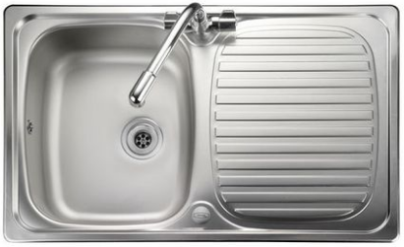
Product Code | Description | Category | Supplier Name | LNPG Price
B08913 | * NAB COSTENO SGL LEVER MONO KITCHEN TAP | Kitchen | Wolseley (Nabis) | £26.79
B08914 | * NAB SANDIA MONOBLOC KITCHEN TAP | Kitchen | Wolseley (Nabis) | £45.23
B08916 | * NAB MONATE DECK KITCHEN MIXER | Kitchen | Wolseley (Nabis) | £60.25
B08923 | * NAB MONATE MONOBLOC KITCHEN TAP | Kitchen | Wolseley (Nabis) | £49.40
B08925 | * NAB SEVIER MONOBLOC KITCHEN TAP | Kitchen | Wolseley (Nabis) | £42.64
B08926 | * NAB IDRO SWAN NECK KITCHEN TAP | Kitchen | Wolseley (Nabis) | £38.08
B08927 | * NAB IDRO MONOBLOC KITCHEN TAP | Kitchen | Wolseley (Nabis) | £49.54
B08928 | * NAB LEVICO MONO SIDE CONTROL KITCH TAP | Kitchen | Wolseley (Nabis) | £32.92
D88214 | VALUE LEVER DECK SINK MIXER CHROME | Kitchen | Bristan Limited | £44.77
...

